Strategy Analysis
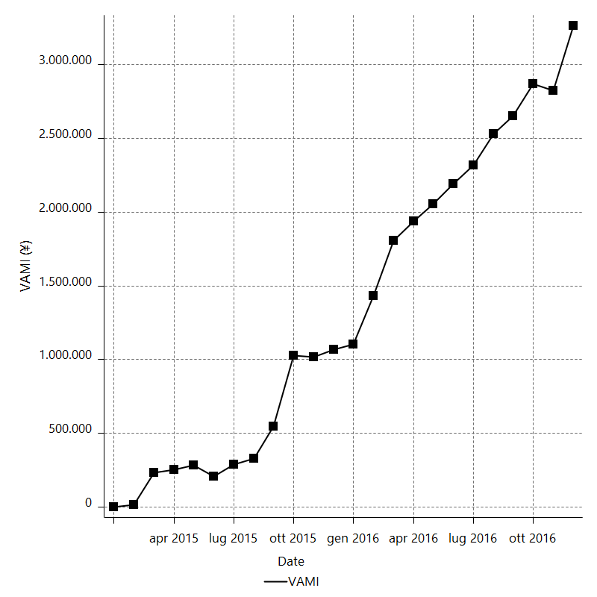
Strategy Performance Summary

 | All Trades | Long Trades | Short Trades
Net Profit | 34073495600 | 16897832150 | 17175663450
Gross Profit | 60109973750 | 29298311950 | 30811661800
Gross Loss | -26036478150 | -12400479800 | -13635998350
Adjusted Net Profit | 28737214979 | 13393033287 | 13102106549
Adjusted Gross Profit | 56549366201 | 26960052100 | 28088269925
Adjusted Gross Loss | -27812151222 | -13567018813 | -14986163376
Select Net Profit | 20806951900 | 13518768650 | 7288183250
Select Gross Profit | 37790377750 | 20621657050 | 17168720700
Select Gross Loss | -16983425850 | -7102888400 | -9880537450
Account Size Required | 1631727450 | 1209104050 | 2338696150
Return on Account | 2088.1854748 | 1397.5498759 | 734.41192649
Return on Initial Capital | 340734.956 | 168978.3215 | 171756.6345
Max Strategy Drawdown | -5510125750 | -3196597350 | -5787130250
Max Strategy Drawdown (%) | -117.06589527 | -164.78212687 | -104.63030382
Max Close To Close Drawdown | -1631727450 | -1209104050 | -2338696150
Max Close To Close Drawdown (%) | -478.1615 | -855.193 | -97.208369061
Return on Max Strategy Drawdown | 6.183796368 | 5.2861935051 | 2.9679068395
Profit Factor | 2.3086829718 | 2.3626756724 | 2.2595823943
Adjusted Profit Factor | 2.0332611365 | 1.987175847 | 1.8742802424
Select Profit Factor | 2.2251327903 | 2.903277637 | 1.737630244
Max # Contracts Held | 5000000 | 5000000 | 5000000
Slippage Paid | 89400 | 46350 | 43050
Commission Paid | 57356415000 | 31137121500 | 26219293500
Open Position P/L | n/a | n/a | n/a
Annual Rate of Return | 177216.61232 | 87885.80439 | 89330.80793
Monthly Rate of Return | 14768.051027 | 7323.8170325 | 7444.2339942
Buy & Hold Return | -70113.488783 | -70113.488783 | -67331.204999
Avg Monthly Return | 1419728983.3
Monthly Return StdDev | 1472969125.3
Total # of Trades | 500 | 270 | 230
% Profitable | 57 | 58.148148148 | 55.652173913

Performance Ratios

Upside Potential Ratio | n/a
Sharpe Ratio | 0.33113335601
Annualized Sharpe Ratio | 1.1470795934
Sortino Ratio | 10.95546869
Fouse Ratio | 1.2848808017
Calmar Ratio | 4.7921252731E-05
Sterling Ratio | 0.00072426802493
Net Profit as % of Largest loss | 5502.6584464
Net Profit as % of Max Trade Drawdown | 1613.5979726
Net Profit as % of Max Strategy Drawdown | 618.3796368
Select Net Profit as % of Largest loss | 3360.1938281
Select Net Profit as % of Max Trade Drawdown | 985.34226705
Select Net Profit as % of Max Strategy Drawdown | 377.61301364
Adj Net Profit as % of Largest loss | 4640.8821856
Adj Net Profit as % of Max Trade Drawdown | 1360.8909509
Adj Net Profit as % of Max Strategy Drawdown | 521.5346488

Time Analysis

Trading Period | 1 Yr, 11 Mths, 8 Dys, 6 Hrs, 25 Mins
Time in the Market | 10 Dys, 10 Hrs
Percent in the Market | 1.4832907298
Longest flat period | 4 Dys
Max Run-up Date | 2016-02-11
Max Drawdown Date | 2016-07-12
Max Strategy Drawdown Date | 6/4/15
Max Close To Close Drawdown Date | 7/20/16

Equity Curve Detailed

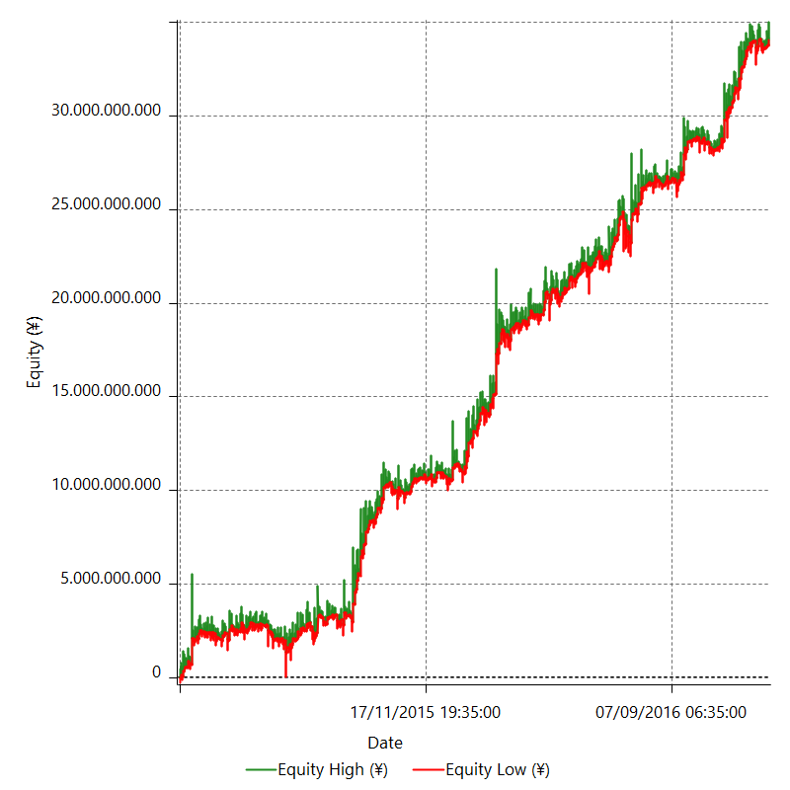

Equity Curve Detailed with DrawDown

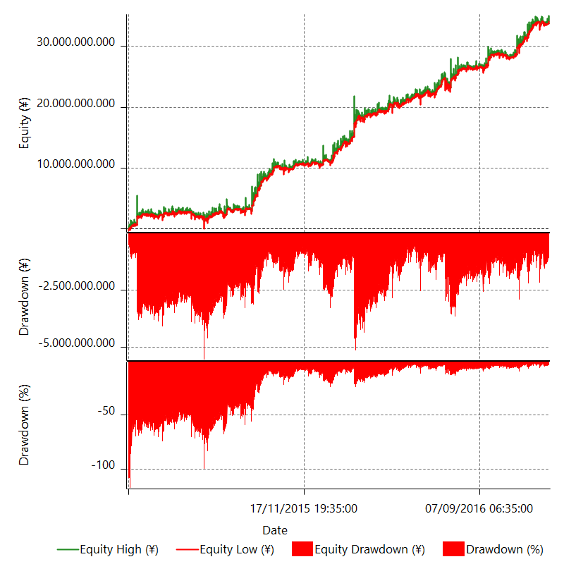

Equity Curve Detailed Long

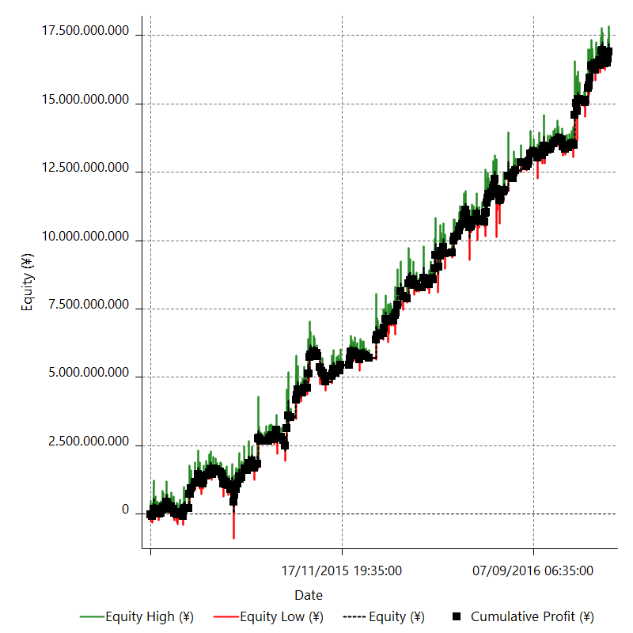

Equity Curve Detailed Short

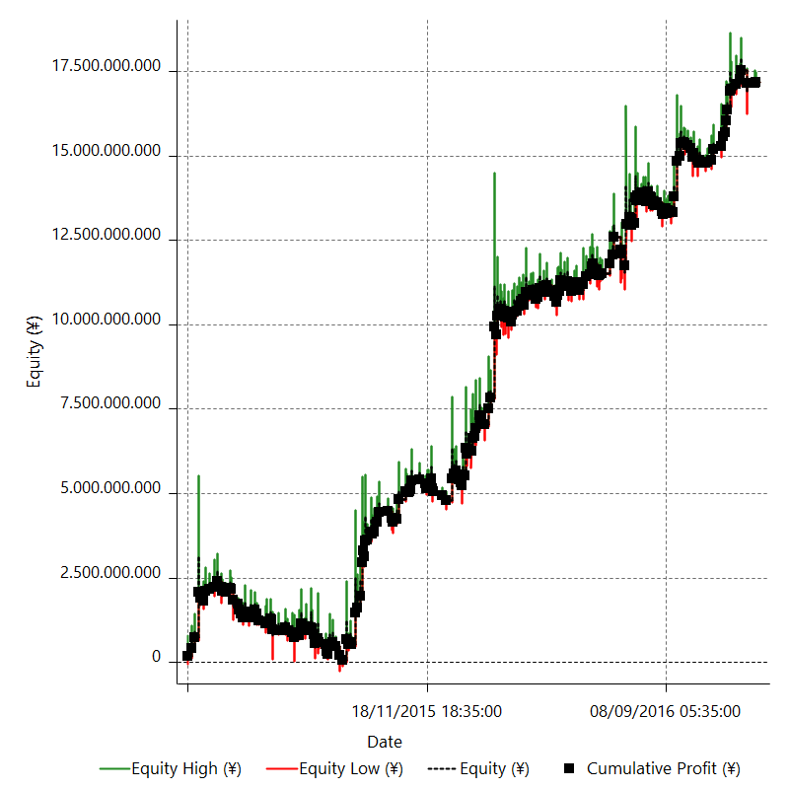

Equity Run-up & Drawdown

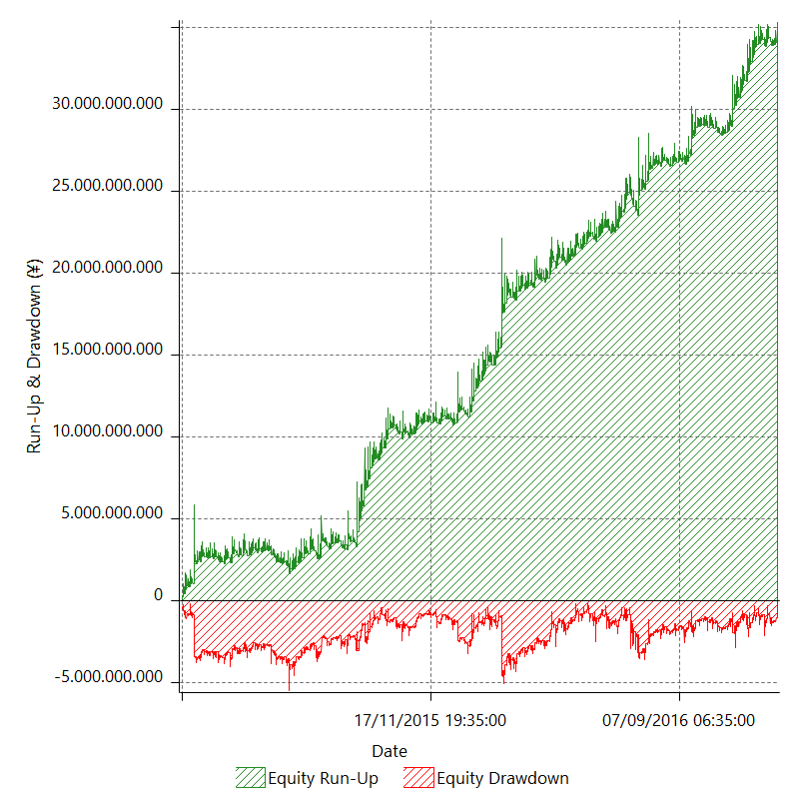

Equity Run-up & Drawdown (%)

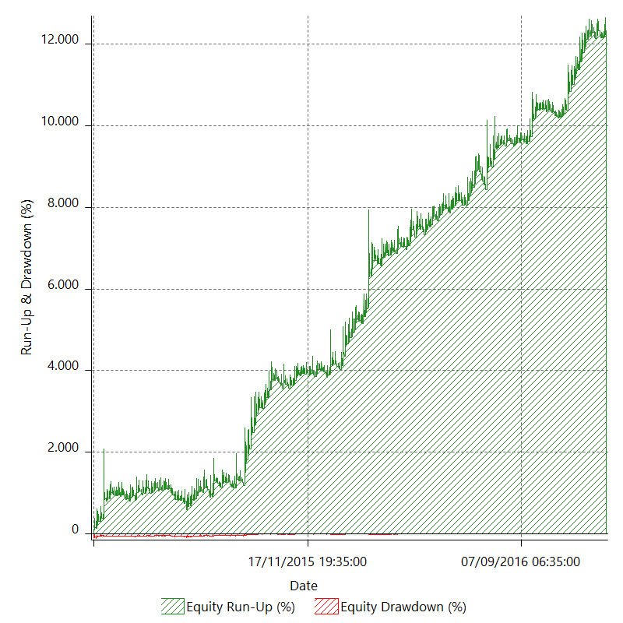

Equity Curve Close To Close

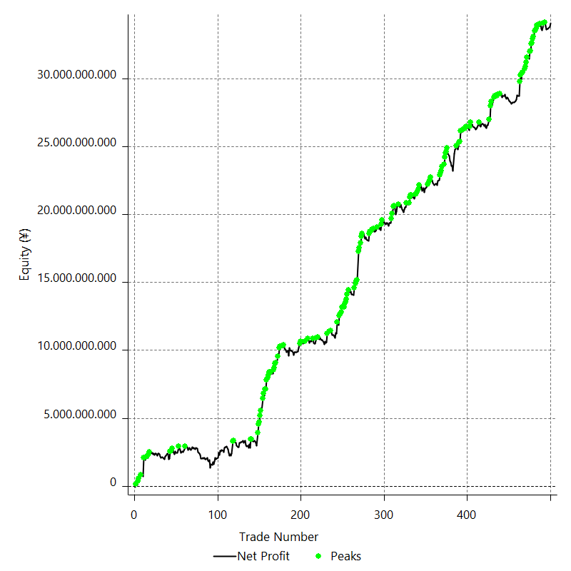

Equity Curve Close To Close With Drawdown

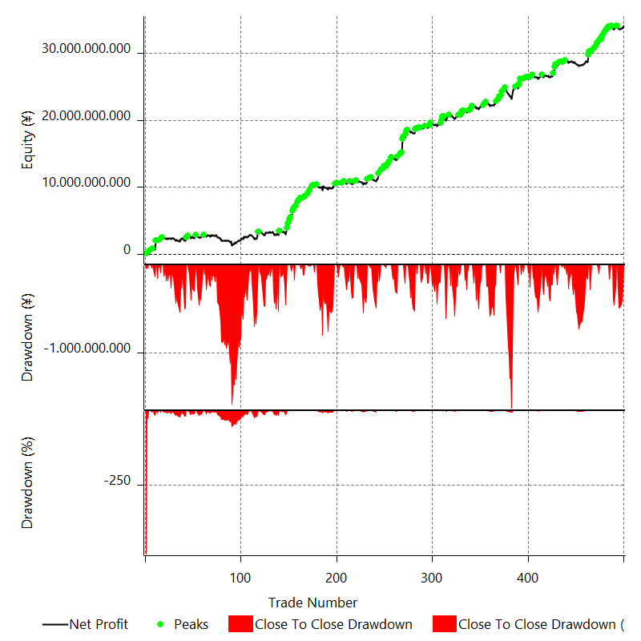

Buy & Hold Return

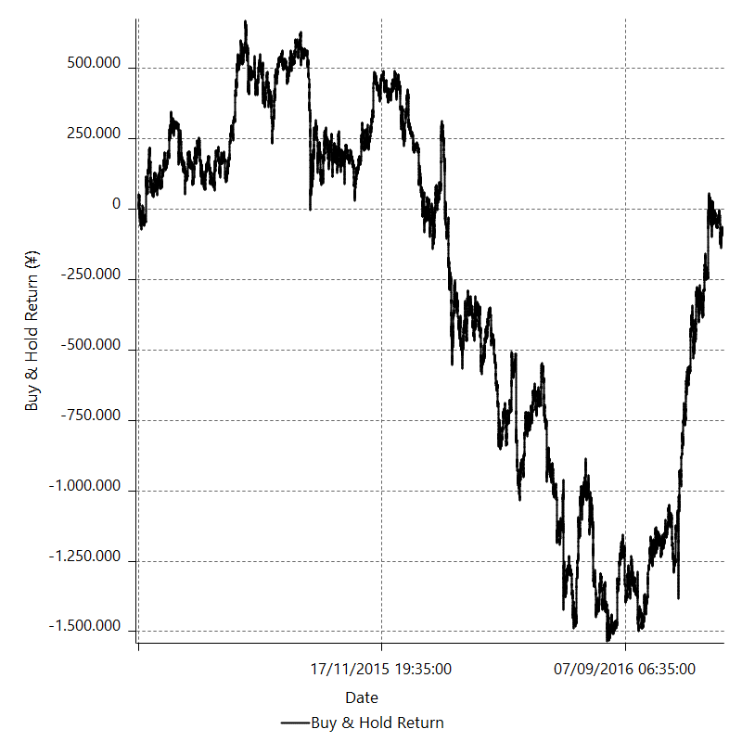

Value Added Monthly Index

Trade Analysis
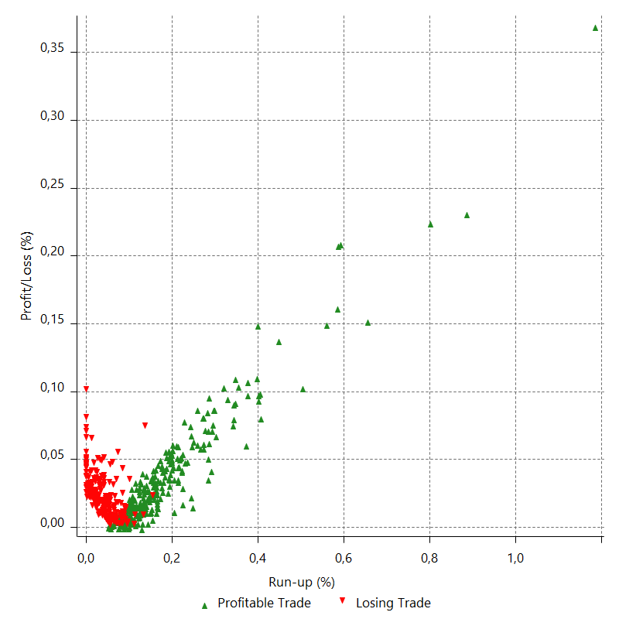
Total Trade Analysis

 | All Trades | Long Trades | Short Trades
Total # of Trades | 500 | 270 | 230
Total # of Open Trades | 0 | 0 | 0
Number Winning Trades | 285 | 157 | 128
Number Losing Trades | 215 | 113 | 102
% Profitable | 57 | 58.148148148 | 55.652173913
Avg Trade (win & loss) | 68146991.2 | 62584563.519 | 74676797.609
Average Winning Trade | 210912188.6 | 186613451.91 | 240716107.81
Average Losing Trade | -121099898.37 | -109738759.29 | -133686258.33
Ratio Avg Win / Avg Loss | 1.7416380313 | 1.7005245286 | 1.8006047204
Largest Winning Trade | 2077893850 | 1081906350 | 2077893850
Largest Losing Trade | -619218800 | -619218800 | -380465800
Avg # Bars in Trades | 2 | 2 | 2
Avg # Bars in Winning Trades | 2 | 2 | 2
Avg # Bars in Losing Trades | 2 | 2 | 2
Avg # Bars Between Trades | n/a | n/a | n/a
Avg # Bars Between Winning Trades | 82.4 | 151.2 | 185.9
Avg # Bars Between Losing Trades | 109.9 | 210.8 | 233.8

Outliers

 | Total | Positive | Negative
1 Std. Deviation of Avg. Trade | 251592330.71 | 238817308.35 | 93717218.335
Avg. Trade +1 Std. Deviation | 319739321.91 | 449729496.95 | -27382680.037
Avg. Trade - 1 Std. Deviation | -183445339.51 | -27905119.757 | -214817116.71
Number of Outliers | 61 | 30 | 31
Outlier Profit/Loss | 13266543700 | 22319596000 | -9053052300

Run-up/Drawdown

 | Run-up | Drawdown
Max Value | 6658837350 | -2111647150
Max Value Date | 2016-02-11 | 2016-07-12
Avg Value | 686536527.3 | -216036101
Max Value (%) | 1.1856376319 | -0.40886153116
Max Value (%) Date | 2016-02-11 | 2016-07-12
Avg Value (%) | 0.12076782771 | -0.038029619833
1 Std. Deviation | 682453946.84 | 268045901.37
Avg. Trade +1 Std. Deviation | 1368990474.1 | 52009800.369
Avg. Trade - 1 Std. Deviation | 4082580.4649 | -484082002.37

Trade Series Analysis

Z-score | 0.76713891426
Confidence Limits | 0.55700152595
Strategy ME | 68146991.2
Max Consec. Winners | 10
Max Consec. Losers | 7
Largest Consec. Profit | 2993200750
Largest Consec. Loss | -1294473500
Largest Consec. Profit (%) | 449.97913047
Largest Consec. Loss (%) | -478.1615

Trade Series Statistics

Consecutive Winners | Number of Series | Avg. Gain per Series | Avg. Loss Next Trade
1 | 59 | 167134460.17 | -132105311.86
2 | 29 | 242463091.38 | -98982293.103
3 | 15 | 186776216.67 | -104412743.33
4 | 10 | 193619787.5 | -90307995
5 | 7 | 292913550 | -126343478.57
6 | 5 | 206070900 | -106566380
8 | 1 | 136997287.5 | -250895800
10 | 1 | 250638050 | -169452800
Consecutive Losers | Number of Series | Avg. Loss per Series | Avg. Gain Next Trade
1 | 77 | -119743444.16 | 232928862.99
2 | 32 | -118178874.22 | 227854428.12
3 | 9 | -140188035.19 | 302455350
4 | 2 | -108853662.5 | 89466850
5 | 4 | -139306775 | 154776600
6 | 2 | -84641116.667 | 184409600
7 | 1 | -113578550 | 39246850

Total Trades

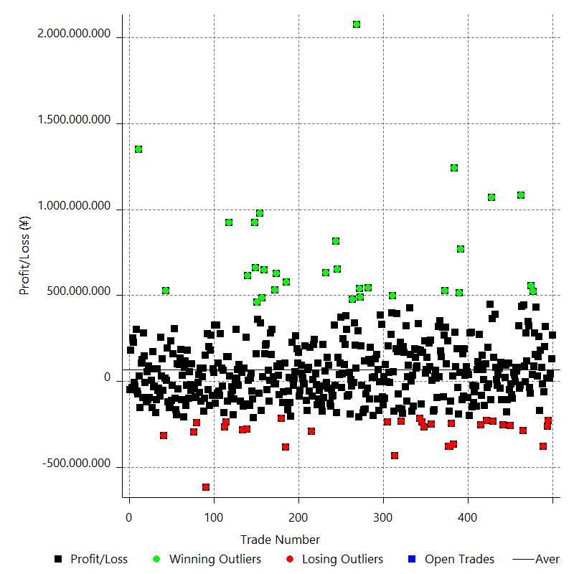

Winning Trades

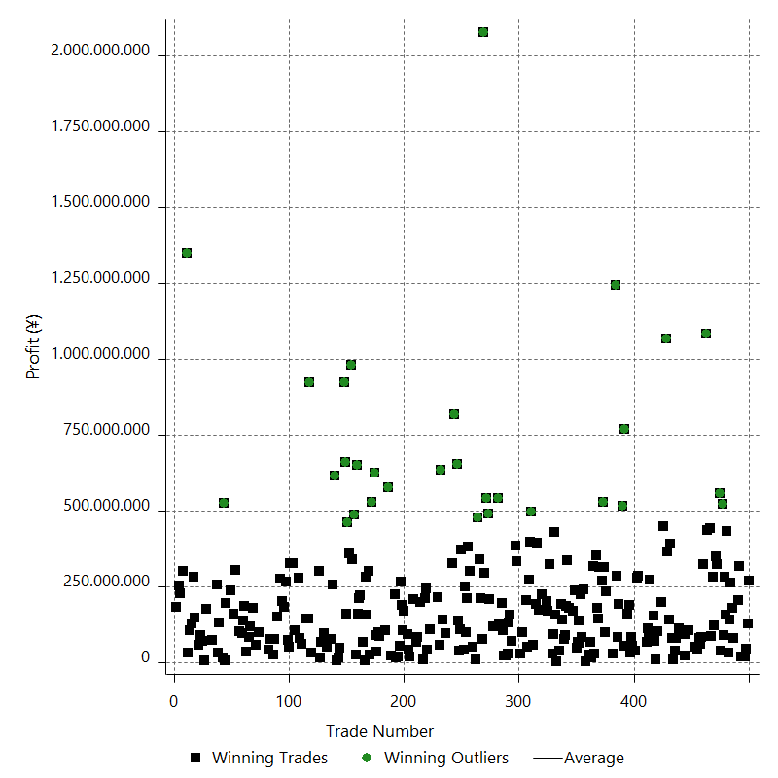

Losing Trades

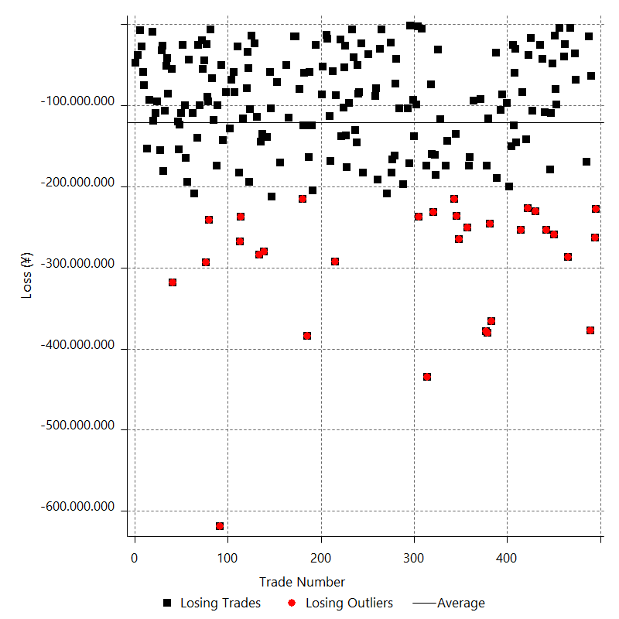

Drawdown

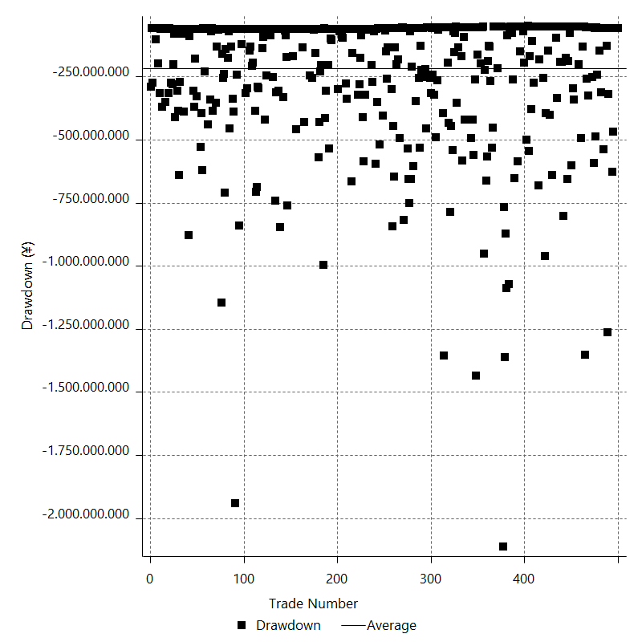

Drawdown P/L

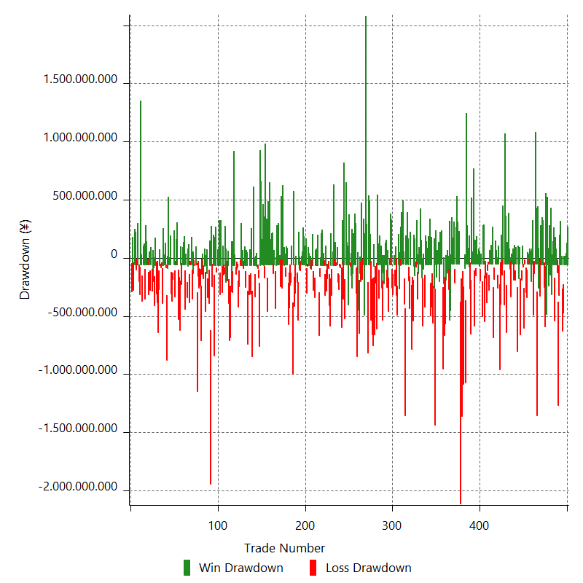

Maximum Adverse Excursion

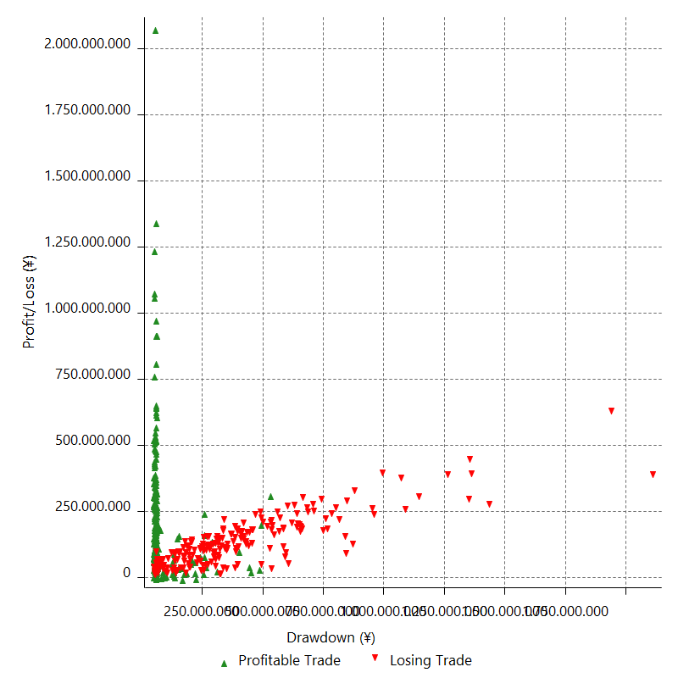

Maximum Adverse Excursion (%)

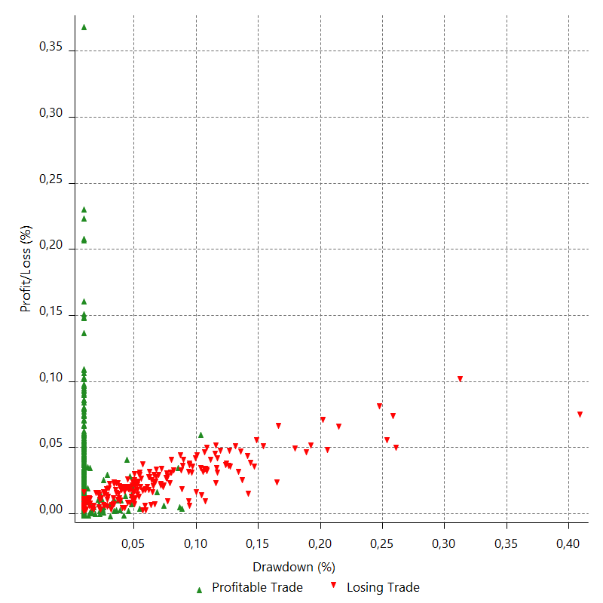

Run-up

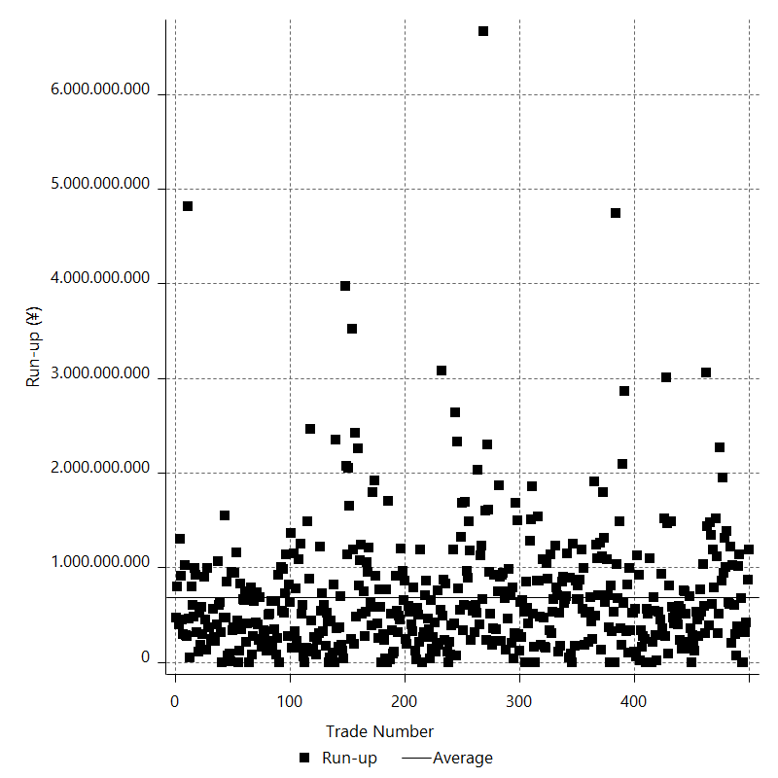

Run-up P/L

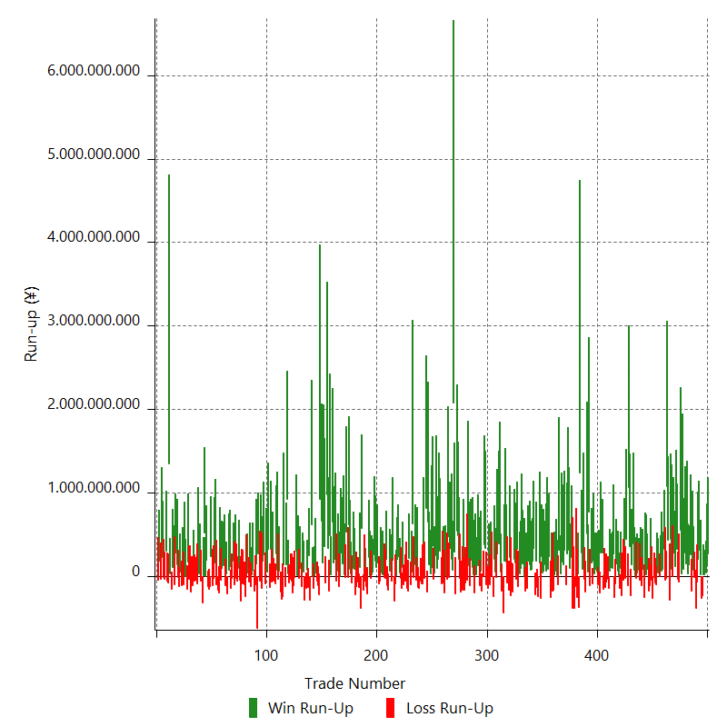

Maximum Favorable Excursion

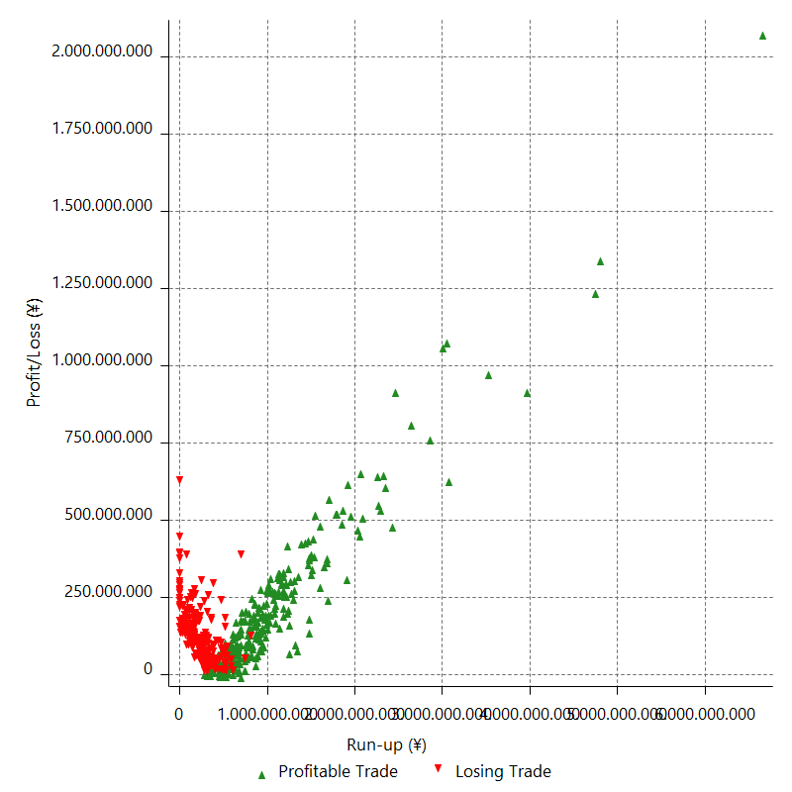

Maximum Favorable Excursion (%)

Periodical Analysis
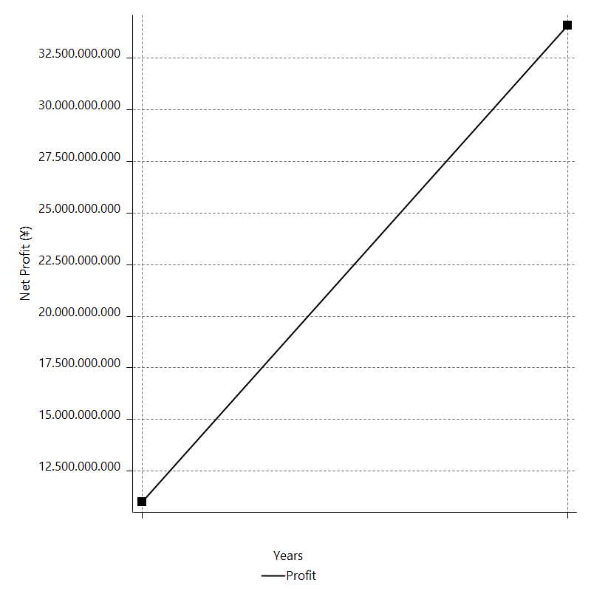
Daily Period Analysis

Period | Profit (¥) | Profit (%) | Gross Profit | Gross Loss | # Trades | % Profitable
2016-12-30 | 268026350 | 0.79261461084 | 268026350 | 0 | 1 | 100
2016-12-29 | 128570350 | 0.38166276564 | 128570350 | 0 | 1 | 100
2016-12-28 | 42420850 | 0.12608562373 | 42420850 | 0 | 1 | 100
2016-12-27 | 17717350 | 0.052688244812 | 17717350 | 0 | 1 | 100
2016-12-26 | 17915350 | 0.053305461147 | 17915350 | 0 | 1 | 100
2016-12-23 | -227413300 | -0.67209942551 | 0 | -227413300 | 1 | 0
2016-12-22 | -262647800 | -0.77025285367 | 0 | -262647800 | 1 | 0
2016-12-21 | 17382350 | 0.051002267237 | 17382350 | 0 | 1 | 100
2016-12-20 | 316957350 | 0.93872772705 | 316957350 | 0 | 1 | 100
2016-12-19 | 202681850 | 0.60390484803 | 202681850 | 0 | 1 | 100
2016-12-16 | -63270650 | -0.18816463141 | 0 | -63270650 | 1 | 0
2016-12-15 | -377756300 | -1.1109527962 | 0 | -377756300 | 1 | 0
2016-12-14 | -15080150 | -0.044329924 | 0 | -15080150 | 1 | 0
2016-12-13 | 79698350 | 0.23483310865 | 79698350 | 0 | 1 | 100
2016-12-12 | 179143350 | 0.53065124095 | 179143350 | 0 | 1 | 100
2016-12-09 | -169452800 | -0.49943936537 | 0 | -169452800 | 1 | 0
2016-12-08 | 261460350 | 0.77660391896 | 261460350 | 0 | 1 | 100
2016-12-07 | 140769350 | 0.4198764606 | 140769350 | 0 | 1 | 100
2016-12-06 | 31097350 | 0.092841002276 | 31097350 | 0 | 1 | 100
2016-12-05 | 431083350 | 1.3037770313 | 431083350 | 0 | 1 | 100
2016-12-02 | 156059850 | 0.4742288197 | 156059850 | 0 | 1 | 100
2016-12-01 | 280863350 | 0.86082394973 | 280863350 | 0 | 1 | 100
2016-11-30 | 87241850 | 0.26810625651 | 87241850 | 0 | 1 | 100
2016-11-29 | 522680350 | 1.6324911152 | 522680350 | 0 | 1 | 100
2016-11-28 | 38086850 | 0.11909859535 | 38086850 | 0 | 1 | 100
2016-11-25 | 557037850 | 1.7727512694 | 557037850 | 0 | 1 | 100
2016-11-24 | -68211650 | -0.2166106998 | 0 | -68211650 | 1 | 0
2016-11-23 | -36030650 | -0.11428699702 | 0 | -36030650 | 1 | 0
2016-11-22 | 324123350 | 1.038778931 | 324123350 | 0 | 1 | 100
2016-11-21 | 349101850 | 1.1314917117 | 349101850 | 0 | 1 | 100
2016-11-18 | 119351850 | 0.38833957676 | 119351850 | 0 | 1 | 100
2016-11-17 | 280918850 | 0.92246785527 | 280918850 | 0 | 1 | 100
2016-11-16 | -4455650 | -0.01462910949 | 0 | -4455650 | 1 | 0
2016-11-15 | 86967350 | 0.2863550889 | 86967350 | 0 | 1 | 100
2016-11-14 | 442293850 | 1.4778516254 | 442293850 | 0 | 1 | 100
2016-11-11 | -286646300 | -0.94869470426 | 0 | -286646300 | 1 | 0
2016-11-10 | 434383850 | 1.4586220206 | 434383850 | 0 | 1 | 100
2016-11-09 | 1081906350 | 3.7699030018 | 1081906350 | 0 | 1 | 100
2016-11-08 | -24448150 | -0.085117075141 | 0 | -24448150 | 1 | 0
2016-11-07 | -39472650 | -0.13723679048 | 0 | -39472650 | 1 | 0
2016-11-04 | 321873350 | 1.1317402709 | 321873350 | 0 | 1 | 100
2016-11-03 | 82149350 | 0.28968241816 | 82149350 | 0 | 1 | 100
2016-11-02 | 61361350 | 0.21684711424 | 61361350 | 0 | 1 | 100
2016-11-01 | 79996350 | 0.28350349094 | 79996350 | 0 | 1 | 100
2016-10-31 | -4932149.9999 | -0.017476264547 | 0 | -4932149.9999 | 1 | 0
2016-10-28 | 39713350 | 0.14091603576 | 39713350 | 0 | 1 | 100
2016-10-27 | 50353350 | 0.17899005946 | 50353350 | 0 | 1 | 100
2016-10-26 | -99186650 | -0.35133809049 | 0 | -99186650 | 1 | 0
2016-10-25 | -79421650 | -0.28053745239 | 0 | -79421650 | 1 | 0
2016-10-24 | -13880150 | -0.049004191485 | 0 | -13880150 | 1 | 0
2016-10-21 | -258893800 | -0.90575171765 | 0 | -258893800 | 1 | 0
2016-10-20 | -48725650 | -0.17017879761 | 0 | -48725650 | 1 | 0
2016-10-19 | 106422850 | 0.37307825607 | 106422850 | 0 | 1 | 100
2016-10-18 | -109010800 | -0.38069579845 | 0 | -109010800 | 1 | 0
2016-10-17 | -179119800 | -0.62164714984 | 0 | -179119800 | 1 | 0
2016-10-14 | 90834350 | 0.31624358547 | 90834350 | 0 | 1 | 100
2016-10-13 | 21162350 | 0.073731929816 | 21162350 | 0 | 1 | 100
2016-10-12 | 106447850 | 0.3722565003 | 106447850 | 0 | 1 | 100
2016-10-11 | -253844300 | -0.87990246143 | 0 | -253844300 | 1 | 0
2016-10-10 | 91847350 | 0.31938801946 | 91847350 | 0 | 1 | 100
2016-10-07 | -108872800 | -0.37716404408 | 0 | -108872800 | 1 | 0
2016-10-06 | 111370350 | 0.38731052165 | 111370350 | 0 | 1 | 100
2016-10-05 | -42822150 | -0.14870031933 | 0 | -42822150 | 1 | 0
2016-10-04 | 77652850 | 0.2703793318 | 77652850 | 0 | 1 | 100
2016-10-03 | 38647850 | 0.13474921507 | 38647850 | 0 | 1 | 100
2016-09-30 | -25893650 | -0.090199114083 | 0 | -25893650 | 1 | 0
2016-09-29 | 8443850 | 0.029422344019 | 8443850 | 0 | 1 | 100
2016-09-28 | 79294850 | 0.27706607994 | 79294850 | 0 | 1 | 100
2016-09-27 | 389283850 | 1.3789629874 | 389283850 | 0 | 1 | 100
2016-09-26 | 139320850 | 0.49596492349 | 139320850 | 0 | 1 | 100
2016-09-23 | -230956300 | -0.8154711392 | 0 | -230956300 | 1 | 0
2016-09-22 | 364540350 | 1.3039190641 | 364540350 | 0 | 1 | 100
2016-09-21 | 1067882850 | 3.971389552 | 1067882850 | 0 | 1 | 100
2016-09-20 | -106694800 | -0.39522307957 | 0 | -106694800 | 1 | 0
2016-09-19 | 448019850 | 1.6875793783 | 448019850 | 0 | 1 | 100
2016-09-16 | -16957650 | -0.063834476729 | 0 | -16957650 | 1 | 0
2016-09-15 | 197628850 | 0.74951954552 | 197628850 | 0 | 1 | 100
2016-09-14 | -38166650 | -0.14454014214 | 0 | -38166650 | 1 | 0
2016-09-13 | -226906800 | -0.85199282189 | 0 | -226906800 | 1 | 0
2016-09-12 | 102640350 | 0.38688646248 | 102640350 | 0 | 1 | 100
2016-09-09 | -142170300 | -0.53303186172 | 0 | -142170300 | 1 | 0
2016-09-08 | 8385850 | 0.031450528364 | 8385850 | 0 | 1 | 100
2016-09-07 | 68528850 | 0.2576747884 | 68528850 | 0 | 1 | 100
2016-09-06 | 151558350 | 0.57313952596 | 151558350 | 0 | 1 | 100
2016-09-05 | -83403150 | -0.3144092626 | 0 | -83403150 | 1 | 0
2016-09-02 | -253580300 | -0.94688346817 | 0 | -253580300 | 1 | 0
2016-09-01 | 271547350 | 1.0243602101 | 271547350 | 0 | 1 | 100
2016-08-31 | 96761850 | 0.36635273413 | 96761850 | 0 | 1 | 100
2016-08-30 | 112685350 | 0.42846916653 | 112685350 | 0 | 1 | 100
2016-08-29 | 67709850 | 0.2581211135 | 67709850 | 0 | 1 | 100
2016-08-26 | -145457800 | -0.55145127188 | 0 | -145457800 | 1 | 0
2016-08-25 | -30374150 | -0.11502028704 | 0 | -30374150 | 1 | 0
2016-08-24 | -60305150 | -0.22784215565 | 0 | -60305150 | 1 | 0
2016-08-23 | -125076800 | -0.47033681601 | 0 | -125076800 | 1 | 0
2016-08-22 | -25769650 | -0.096809970837 | 0 | -25769650 | 1 | 0
2016-08-19 | -150145300 | -0.56089365084 | 0 | -150145300 | 1 | 0
2016-08-18 | 285014350 | 1.076178527 | 285014350 | 0 | 1 | 100
2016-08-17 | 279154850 | 1.0652824379 | 279154850 | 0 | 1 | 100
2016-08-16 | -200295300 | -0.75854867684 | 0 | -200295300 | 1 | 0
2016-08-15 | 38876850 | 0.14744962061 | 38876850 | 0 | 1 | 100
2016-08-12 | -97053650 | -0.36674885412 | 0 | -97053650 | 1 | 0
2016-08-11 | 53683350 | 0.20327239616 | 53683350 | 0 | 1 | 100
2016-08-10 | 83549350 | 0.3173642371 | 83549350 | 0 | 1 | 100
2016-08-09 | 32629350 | 0.12409718946 | 32629350 | 0 | 1 | 100
2016-08-08 | 187850850 | 0.71958251976 | 187850850 | 0 | 1 | 100
2016-08-05 | -86088650 | -0.32868774655 | 0 | -86088650 | 1 | 0
2016-08-04 | 158552850 | 0.60904403182 | 158552850 | 0 | 1 | 100
2016-08-03 | -106045800 | -0.40569775541 | 0 | -106045800 | 1 | 0
2016-08-02 | 768044850 | 3.02724665 | 768044850 | 0 | 1 | 100
2016-08-01 | 52578350 | 0.20766778633 | 52578350 | 0 | 1 | 100
2016-07-29 | 516398850 | 2.0820777731 | 516398850 | 0 | 1 | 100
2016-07-28 | -189673800 | -0.75894516466 | 0 | -189673800 | 1 | 0
2016-07-27 | -35513150 | -0.1418977657 | 0 | -35513150 | 1 | 0
2016-07-26 | 190731350 | 0.76794629895 | 190731350 | 0 | 1 | 100
2016-07-25 | 83783850 | 0.33848280539 | 83783850 | 0 | 1 | 100
2016-07-22 | 284009850 | 1.160704171 | 284009850 | 0 | 1 | 100
2016-07-21 | 1243104850 | 5.352293208 | 1243104850 | 0 | 1 | 100
2016-07-20 | -366204300 | -1.5522489509 | 0 | -366204300 | 1 | 0
2016-07-19 | 28950350 | 0.12286410419 | 28950350 | 0 | 1 | 100
2016-07-18 | -245681300 | -1.0319021674 | 0 | -245681300 | 1 | 0
2016-07-15 | -115761300 | -0.48386401336 | 0 | -115761300 | 1 | 0
2016-07-14 | -380465800 | -1.5653929168 | 0 | -380465800 | 1 | 0
2016-07-13 | -174298300 | -0.7120287476 | 0 | -174298300 | 1 | 0
2016-07-12 | -378266800 | -1.5217486696 | 0 | -378266800 | 1 | 0
2016-07-11 | 233111350 | 0.9466733168 | 233111350 | 0 | 1 | 100
2016-07-08 | 99416850 | 0.40537192227 | 99416850 | 0 | 1 | 100
2016-07-07 | 314166350 | 1.2976352645 | 314166350 | 0 | 1 | 100
2016-07-06 | 529095850 | 2.2342078026 | 529095850 | 0 | 1 | 100
2016-07-05 | 268100850 | 1.1450702203 | 268100850 | 0 | 1 | 100
2016-07-04 | -92698150 | -0.39435644416 | 0 | -92698150 | 1 | 0
2016-07-01 | 312335350 | 1.3466301321 | 312335350 | 0 | 1 | 100
2016-06-30 | 142282350 | 0.61723507335 | 142282350 | 0 | 1 | 100
2016-06-29 | 177615850 | 0.77649837139 | 177615850 | 0 | 1 | 100
2016-06-28 | 352892350 | 1.5669439416 | 352892350 | 0 | 1 | 100
2016-06-27 | 28000850 | 0.12448663659 | 28000850 | 0 | 1 | 100
2016-06-24 | 317315850 | 1.4309143008 | 317315850 | 0 | 1 | 100
2016-06-23 | -94480150 | -0.42424432677 | 0 | -94480150 | 1 | 0
2016-06-22 | 15555850 | 0.069899276198 | 15555850 | 0 | 1 | 100
2016-06-21 | 65546850 | 0.29540087408 | 65546850 | 0 | 1 | 100
2016-06-20 | 25384850 | 0.11453327495 | 25384850 | 0 | 1 | 100
2016-06-17 | -164275300 | -0.73573644819 | 0 | -164275300 | 1 | 0
2016-06-16 | -173952300 | -0.7730539488 | 0 | -173952300 | 1 | 0
2016-06-15 | 3714850 | 0.016511731332 | 3714850 | 0 | 1 | 100
2016-06-14 | -250895800 | -1.102880266 | 0 | -250895800 | 1 | 0
2016-06-13 | 238966350 | 1.0615925508 | 238966350 | 0 | 1 | 100
2016-06-10 | 83129850 | 0.37066785345 | 83129850 | 0 | 1 | 100
2016-06-09 | 223524850 | 1.0067090192 | 223524850 | 0 | 1 | 100
2016-06-08 | 62922850 | 0.28419670122 | 62922850 | 0 | 1 | 100
2016-06-07 | 137290350 | 0.623953227 | 137290350 | 0 | 1 | 100
2016-06-06 | 67905350 | 0.30956965431 | 67905350 | 0 | 1 | 100
2016-06-03 | 46241350 | 0.21125226989 | 46241350 | 0 | 1 | 100
2016-06-02 | 235997350 | 1.0898977678 | 235997350 | 0 | 1 | 100
2016-06-01 | -264994800 | -1.2090194419 | 0 | -264994800 | 1 | 0
2016-05-31 | 168812850 | 0.7761743786 | 168812850 | 0 | 1 | 100
2016-05-30 | -236307800 | -1.0748272658 | 0 | -236307800 | 1 | 0
2016-05-27 | -134758800 | -0.60920563893 | 0 | -134758800 | 1 | 0
2016-05-26 | 180128850 | 0.82099599661 | 180128850 | 0 | 1 | 100
2016-05-25 | -214965800 | -0.97027027825 | 0 | -214965800 | 1 | 0
2016-05-24 | 335598350 | 1.5380555318 | 335598350 | 0 | 1 | 100
2016-05-23 | 185402350 | 0.85698538725 | 185402350 | 0 | 1 | 100
2016-05-20 | 89767850 | 0.41666285962 | 89767850 | 0 | 1 | 100
2016-05-19 | 74835350 | 0.34856351028 | 74835350 | 0 | 1 | 100
2016-05-18 | 140568850 | 0.65904798556 | 140568850 | 0 | 1 | 100
2016-05-17 | 190651850 | 0.9019207997 | 190651850 | 0 | 1 | 100
2016-05-16 | -143752800 | -0.67546095471 | 0 | -143752800 | 1 | 0
2016-05-13 | 36287350 | 0.17079703215 | 36287350 | 0 | 1 | 100
2016-05-12 | -173873800 | -0.81174470267 | 0 | -173873800 | 1 | 0
2016-05-11 | 1340850 | 0.0062602647614 | 1340850 | 0 | 1 | 100
2016-05-10 | 156198350 | 0.73462843659 | 156198350 | 0 | 1 | 100
2016-05-09 | 427336350 | 2.0510613724 | 427336350 | 0 | 1 | 100
2016-05-06 | 93002850 | 0.4483818471 | 93002850 | 0 | 1 | 100
2016-05-05 | 27888350 | 0.13463528838 | 27888350 | 0 | 1 | 100
2016-05-04 | -116886300 | -0.56112022056 | 0 | -116886300 | 1 | 0
2016-05-03 | 324257850 | 1.5812345432 | 324257850 | 0 | 1 | 100
2016-05-02 | -31433650 | -0.15305073078 | 0 | -31433650 | 1 | 0
2016-04-29 | 167866350 | 0.82407834618 | 167866350 | 0 | 1 | 100
2016-04-28 | 201576850 | 0.99945800942 | 201576850 | 0 | 1 | 100
2016-04-27 | -186151800 | -0.91453658425 | 0 | -186151800 | 1 | 0
2016-04-26 | -160827300 | -0.783927045 | 0 | -160827300 | 1 | 0
2016-04-25 | -231224300 | -1.1145047986 | 0 | -231224300 | 1 | 0
2016-04-22 | 224461350 | 1.0937405305 | 224461350 | 0 | 1 | 100
2016-04-21 | -159661300 | -0.77198118691 | 0 | -159661300 | 1 | 0
2016-04-20 | -73950650 | -0.35628616387 | 0 | -73950650 | 1 | 0
2016-04-19 | 170973850 | 0.83057508048 | 170973850 | 0 | 1 | 100
2016-04-18 | 391914850 | 1.9408372615 | 391914850 | 0 | 1 | 100
2016-04-15 | 190627850 | 0.95302233084 | 190627850 | 0 | 1 | 100
2016-04-14 | -434391800 | -2.1255325391 | 0 | -434391800 | 1 | 0
2016-04-13 | -173893800 | -0.84370481762 | 0 | -173893800 | 1 | 0
2016-04-12 | 56796350 | 0.27632824649 | 56796350 | 0 | 1 | 100
2016-04-11 | 497064350 | 2.4782737192 | 497064350 | 0 | 1 | 100
2016-04-08 | 396165350 | 2.0150100659 | 396165350 | 0 | 1 | 100
2016-04-07 | 271250850 | 1.3989601419 | 271250850 | 0 | 1 | 100
2016-04-06 | -5391650 | -0.027799384311 | 0 | -5391650 | 1 | 0
2016-04-05 | 49521850 | 0.25598862618 | 49521850 | 0 | 1 | 100
2016-04-04 | 203529350 | 1.0632715848 | 203529350 | 0 | 1 | 100
2016-04-01 | -237274800 | -1.2243864486 | 0 | -237274800 | 1 | 0
2016-03-31 | -2378150 | -0.012270234139 | 0 | -2378150 | 1 | 0
2016-03-30 | 97810850 | 0.50722179602 | 97810850 | 0 | 1 | 100
2016-03-29 | -98652650 | -0.50898326035 | 0 | -98652650 | 1 | 0
2016-03-28 | 26472850 | 0.13676942424 | 26472850 | 0 | 1 | 100
2016-03-25 | -137990800 | -0.70786963178 | 0 | -137990800 | 1 | 0
2016-03-24 | -92868150 | -0.47413922469 | 0 | -92868150 | 1 | 0
2016-03-23 | 332531350 | 1.7270630502 | 332531350 | 0 | 1 | 100
2016-03-22 | 383294350 | 2.0311442703 | 383294350 | 0 | 1 | 100
2016-03-21 | -1479150 | -0.0078376620348 | 0 | -1479150 | 1 | 0
2016-03-18 | -171285300 | -0.89943654837 | 0 | -171285300 | 1 | 0
2016-03-17 | 68305850 | 0.35997212389 | 68305850 | 0 | 1 | 100
2016-03-16 | -103631150 | -0.54317015608 | 0 | -103631150 | 1 | 0
2016-03-15 | 156904850 | 0.82921728507 | 156904850 | 0 | 1 | 100
2016-03-14 | 131257350 | 0.69851976119 | 131257350 | 0 | 1 | 100
2016-03-11 | 26267850 | 0.13998681176 | 26267850 | 0 | 1 | 100
2016-03-10 | 21444350 | 0.11441213325 | 21444350 | 0 | 1 | 100
2016-03-09 | -197555800 | -1.0430266015 | 0 | -197555800 | 1 | 0
2016-03-08 | 22061350 | 0.11661215739 | 22061350 | 0 | 1 | 100
2016-03-07 | 106321850 | 0.56517361385 | 106321850 | 0 | 1 | 100
2016-03-04 | 196199850 | 1.0539286886 | 196199850 | 0 | 1 | 100
2016-03-03 | -103974150 | -0.55541686862 | 0 | -103974150 | 1 | 0
2016-03-02 | 125719850 | 0.67612035749 | 125719850 | 0 | 1 | 100
2016-03-01 | 541983350 | 3.0022924481 | 541983350 | 0 | 1 | 100
2016-02-29 | -42938150 | -0.23728955267 | 0 | -42938150 | 1 | 0
2016-02-26 | -72840150 | -0.40092342536 | 0 | -72840150 | 1 | 0
2016-02-25 | -162161300 | -0.88466464785 | 0 | -162161300 | 1 | 0
2016-02-24 | 117989850 | 0.64785922378 | 117989850 | 0 | 1 | 100
2016-02-23 | -167083800 | -0.90908435282 | 0 | -167083800 | 1 | 0
2016-02-22 | -182873300 | -0.98519068339 | 0 | -182873300 | 1 | 0
2016-02-19 | -22983150 | -0.12366367509 | 0 | -22983150 | 1 | 0
2016-02-18 | 206202850 | 1.121947894 | 206202850 | 0 | 1 | 100
2016-02-17 | 491260350 | 2.7463516668 | 491260350 | 0 | 1 | 100
2016-02-16 | 540730350 | 3.1171380109 | 540730350 | 0 | 1 | 100
2016-02-15 | -208793800 | -1.1893147209 | 0 | -208793800 | 1 | 0
2016-02-12 | 292610350 | 1.6949951489 | 292610350 | 0 | 1 | 100
2016-02-11 | 2077893850 | 13.683584998 | 2077893850 | 0 | 1 | 100
2016-02-10 | 75143850 | 0.49730680534 | 75143850 | 0 | 1 | 100
2016-02-09 | 209776350 | 1.407858792 | 209776350 | 0 | 1 | 100
2016-02-08 | 337776350 | 2.3194772859 | 337776350 | 0 | 1 | 100
2016-02-05 | -6857150 | -0.047065219178 | 0 | -6857150 | 1 | 0
2016-02-04 | 477190350 | 3.3861843284 | 477190350 | 0 | 1 | 100
2016-02-03 | -29890150 | -0.21165418532 | 0 | -29890150 | 1 | 0
2016-02-02 | 9309850 | 0.065967169106 | 9309850 | 0 | 1 | 100
2016-02-01 | -191178300 | -1.3365343515 | 0 | -191178300 | 1 | 0
2016-01-29 | 49256850 | 0.34554631572 | 49256850 | 0 | 1 | 100
2016-01-28 | -78781150 | -0.54962738417 | 0 | -78781150 | 1 | 0
2016-01-27 | -88239150 | -0.61184580601 | 0 | -88239150 | 1 | 0
2016-01-26 | 302051850 | 2.1392162683 | 302051850 | 0 | 1 | 100
2016-01-25 | 381558850 | 2.777360035 | 381558850 | 0 | 1 | 100
2016-01-22 | 211845850 | 1.5661728804 | 211845850 | 0 | 1 | 100
2016-01-21 | 98172350 | 0.73109273977 | 98172350 | 0 | 1 | 100
2016-01-20 | 248663350 | 1.8867429835 | 248663350 | 0 | 1 | 100
2016-01-19 | 42116850 | 0.32058774248 | 42116850 | 0 | 1 | 100
2016-01-18 | -37281150 | -0.28297602412 | 0 | -37281150 | 1 | 0
2016-01-15 | 372472850 | 2.9094453185 | 372472850 | 0 | 1 | 100
2016-01-14 | 107149350 | 0.84402495865 | 107149350 | 0 | 1 | 100
2016-01-13 | 36758350 | 0.29038961145 | 36758350 | 0 | 1 | 100
2016-01-12 | 137597350 | 1.0989598456 | 137597350 | 0 | 1 | 100
2016-01-11 | 652483850 | 5.4977464095 | 652483850 | 0 | 1 | 100
2016-01-08 | -183350800 | -1.5213868911 | 0 | -183350800 | 1 | 0
2016-01-07 | 817225350 | 7.2743569931 | 817225350 | 0 | 1 | 100
2016-01-06 | -23573650 | -0.20939642432 | 0 | -23573650 | 1 | 0
2016-01-05 | 325674350 | 2.9790293296 | 325674350 | 0 | 1 | 100
2016-01-04 | -84033650 | -0.76281441348 | 0 | -84033650 | 1 | 0
2015-12-31 | -85392650 | -0.76918835006 | 0 | -85392650 | 1 | 0
2015-12-30 | -50423150 | -0.45214122099 | 0 | -50423150 | 1 | 0
2015-12-29 | -145369800 | -1.2867488195 | 0 | -145369800 | 1 | 0
2015-12-28 | -130578300 | -1.1426144613 | 0 | -130578300 | 1 | 0
2015-12-24 | 94514350 | 0.83393688256 | 94514350 | 0 | 1 | 100
2015-12-23 | -40982150 | -0.36029860928 | 0 | -40982150 | 1 | 0
2015-12-22 | 138884850 | 1.236113027 | 138884850 | 0 | 1 | 100
2015-12-21 | -6407650 | -0.056997326339 | 0 | -6407650 | 1 | 0
2015-12-18 | 633272350 | 5.9693420698 | 633272350 | 0 | 1 | 100
2015-12-17 | 57577850 | 0.5457011782 | 57577850 | 0 | 1 | 100
2015-12-16 | -96911650 | -0.91013262485 | 0 | -96911650 | 1 | 0
2015-12-15 | 214128350 | 2.0522267803 | 214128350 | 0 | 1 | 100
2015-12-14 | -176277800 | -1.6613947967 | 0 | -176277800 | 1 | 0
2015-12-11 | -136918800 | -1.2740012217 | 0 | -136918800 | 1 | 0
2015-12-10 | -26744650 | -0.24823571432 | 0 | -26744650 | 1 | 0
2015-12-09 | -52755150 | -0.48727131201 | 0 | -52755150 | 1 | 0
2015-12-08 | -103060150 | -0.94293596969 | 0 | -103060150 | 1 | 0
2015-12-07 | 106677850 | 0.98565601823 | 106677850 | 0 | 1 | 100
2015-12-04 | -137755800 | -1.256805836 | 0 | -137755800 | 1 | 0
2015-12-03 | -18485650 | -0.16836863443 | 0 | -18485650 | 1 | 0
2015-12-02 | 41885350 | 0.38295574717 | 41885350 | 0 | 1 | 100
2015-12-01 | 241988350 | 2.2625464498 | 241988350 | 0 | 1 | 100
2015-11-30 | 212015350 | 2.0223944413 | 212015350 | 0 | 1 | 100
2015-11-27 | 7591850.0001 | 0.072470423212 | 7591850.0001 | 0 | 1 | 100
2015-11-26 | -87582650 | -0.8291162817 | 0 | -87582650 | 1 | 0
2015-11-25 | -292328300 | -2.6928549074 | 0 | -292328300 | 1 | 0
2015-11-24 | 197379850 | 1.8518848464 | 197379850 | 0 | 1 | 100
2015-11-23 | -58142650 | -0.54255439549 | 0 | -58142650 | 1 | 0
2015-11-20 | 82110350 | 0.77212351294 | 82110350 | 0 | 1 | 100
2015-11-19 | 66787850 | 0.63200785456 | 66787850 | 0 | 1 | 100
2015-11-18 | -168273800 | -1.5674022348 | 0 | -168273800 | 1 | 0
2015-11-17 | -113293150 | -1.0442599037 | 0 | -113293150 | 1 | 0
2015-11-16 | 207291850 | 1.9478945352 | 207291850 | 0 | 1 | 100
2015-11-13 | -17723650 | -0.16626991502 | 0 | -17723650 | 1 | 0
2015-11-12 | -12964150 | -0.12147214193 | 0 | -12964150 | 1 | 0
2015-11-11 | 16904850 | 0.15864720083 | 16904850 | 0 | 1 | 100
2015-11-10 | 41709350 | 0.39296856448 | 41709350 | 0 | 1 | 100
2015-11-09 | 91508350 | 0.86965227385 | 91508350 | 0 | 1 | 100
2015-11-06 | -51904150 | -0.49085136843 | 0 | -51904150 | 1 | 0
2015-11-05 | -86685650 | -0.81311019272 | 0 | -86685650 | 1 | 0
2015-11-04 | 168864850 | 1.6094427141 | 168864850 | 0 | 1 | 100
2015-11-03 | 104322350 | 1.0042767053 | 104322350 | 0 | 1 | 100
2015-11-02 | 189483850 | 1.8579898148 | 189483850 | 0 | 1 | 100
2015-10-30 | 264357350 | 2.6611455229 | 264357350 | 0 | 1 | 100
2015-10-29 | 54260350 | 0.54921006596 | 54260350 | 0 | 1 | 100
2015-10-28 | 19607850 | 0.19886055922 | 19607850 | 0 | 1 | 100
2015-10-27 | -25477650 | -0.25772545522 | 0 | -25477650 | 1 | 0
2015-10-26 | 14076350 | 0.14259583798 | 14076350 | 0 | 1 | 100
2015-10-23 | 224549350 | 2.327671488 | 224549350 | 0 | 1 | 100
2015-10-22 | -204730800 | -2.0781302565 | 0 | -204730800 | 1 | 0
2015-10-21 | -124892800 | -1.2518604142 | 0 | -124892800 | 1 | 0
2015-10-20 | 20383850 | 0.20473541103 | 20383850 | 0 | 1 | 100
2015-10-19 | -59355150 | -0.5926301468 | 0 | -59355150 | 1 | 0
2015-10-16 | -164104800 | -1.6120865983 | 0 | -164104800 | 1 | 0
2015-10-15 | 576425350 | 6.0024134806 | 576425350 | 0 | 1 | 100
2015-10-14 | -384586800 | -3.8505606397 | 0 | -384586800 | 1 | 0
2015-10-13 | 105254350 | 1.0650515991 | 105254350 | 0 | 1 | 100
2015-10-12 | -125170800 | -1.2507412333 | 0 | -125170800 | 1 | 0
2015-10-09 | -60138150 | -0.59732757513 | 0 | -60138150 | 1 | 0
2015-10-08 | -124773800 | -1.2241556813 | 0 | -124773800 | 1 | 0
2015-10-07 | -215011800 | -2.0659008693 | 0 | -215011800 | 1 | 0
2015-10-06 | 84702350 | 0.82052458072 | 84702350 | 0 | 1 | 100
2015-10-05 | 99924850 | 0.97744883973 | 99924850 | 0 | 1 | 100
2015-10-02 | -80107150 | -0.77750280479 | 0 | -80107150 | 1 | 0
2015-10-01 | 34908350 | 0.33996479762 | 34908350 | 0 | 1 | 100
2015-09-30 | 89964850 | 0.88389223264 | 89964850 | 0 | 1 | 100
2015-09-29 | 625430350 | 6.54706898 | 625430350 | 0 | 1 | 100
2015-09-28 | -15318650 | -0.160100465 | 0 | -15318650 | 1 | 0
2015-09-25 | 529448850 | 5.8575777411 | 529448850 | 0 | 1 | 100
2015-09-24 | -15023650 | -0.16593891542 | 0 | -15023650 | 1 | 0
2015-09-23 | 24837350 | 0.27508765257 | 24837350 | 0 | 1 | 100
2015-09-22 | 299744850 | 3.4338413335 | 299744850 | 0 | 1 | 100
2015-09-21 | 154972350 | 1.8074329679 | 154972350 | 0 | 1 | 100
2015-09-18 | 280431850 | 3.3812485066 | 280431850 | 0 | 1 | 100
2015-09-17 | 4129350 | 0.049813577419 | 4129350 | 0 | 1 | 100
2015-09-16 | -115312650 | -1.3719660546 | 0 | -115312650 | 1 | 0
2015-09-15 | 65428350 | 0.78456040672 | 65428350 | 0 | 1 | 100
2015-09-14 | -50243150 | -0.59886457556 | 0 | -50243150 | 1 | 0
2015-09-11 | 219404850 | 2.6853854128 | 219404850 | 0 | 1 | 100
2015-09-10 | 209155850 | 2.627198527 | 209155850 | 0 | 1 | 100
2015-09-09 | 159427850 | 2.0434892891 | 159427850 | 0 | 1 | 100
2015-09-08 | 650172850 | 9.0913259095 | 650172850 | 0 | 1 | 100
2015-09-07 | 25668350 | 0.36021178559 | 25668350 | 0 | 1 | 100
2015-09-04 | 485724350 | 7.3149266306 | 485724350 | 0 | 1 | 100
2015-09-03 | -170368300 | -2.5015354672 | 0 | -170368300 | 1 | 0
2015-09-02 | 340088850 | 5.2560225933 | 340088850 | 0 | 1 | 100
2015-09-01 | 979789850 | 17.844630756 | 979789850 | 0 | 1 | 100
2015-08-31 | -71165150 | -1.2795263362 | 0 | -71165150 | 1 | 0
2015-08-28 | 359001850 | 6.9001216289 | 359001850 | 0 | 1 | 100
2015-08-27 | 459822850 | 9.694746004 | 459822850 | 0 | 1 | 100
2015-08-26 | 160534850 | 3.5032338795 | 160534850 | 0 | 1 | 100
2015-08-25 | 660488850 | 16.840668599 | 660488850 | 0 | 1 | 100
2015-08-24 | 924039350 | 30.822396755 | 924039350 | 0 | 1 | 100
2015-08-21 | -212951300 | -6.6321393692 | 0 | -212951300 | 1 | 0
2015-08-20 | -104045150 | -3.1386697248 | 0 | -104045150 | 1 | 0
2015-08-19 | -59265650 | -1.7564304722 | 0 | -59265650 | 1 | 0
2015-08-18 | 45637850 | 1.3710939706 | 45637850 | 0 | 1 | 100
2015-08-17 | 15525850 | 0.46862764046 | 15525850 | 0 | 1 | 100
2015-08-14 | -139335800 | -4.035932351 | 0 | -139335800 | 1 | 0
2015-08-13 | 5479850 | 0.1589789858 | 5479850 | 0 | 1 | 100
2015-08-12 | 615276850 | 21.728752772 | 615276850 | 0 | 1 | 100
2015-08-11 | -279855800 | -8.994295498 | 0 | -279855800 | 1 | 0
2015-08-10 | 255444850 | 8.9440340427 | 255444850 | 0 | 1 | 100
2015-08-07 | -134763300 | -4.505928933 | 0 | -134763300 | 1 | 0
2015-08-06 | 75164850 | 2.5779927537 | 75164850 | 0 | 1 | 100
2015-08-05 | -144388300 | -4.7185365064 | 0 | -144388300 | 1 | 0
2015-08-04 | -283925300 | -8.4907205128 | 0 | -283925300 | 1 | 0
2015-08-03 | 50883350 | 1.5451669355 | 50883350 | 0 | 1 | 100
2015-07-31 | 70804350 | 2.1973502422 | 70804350 | 0 | 1 | 100
2015-07-30 | -114168150 | -3.4218669202 | 0 | -114168150 | 1 | 0
2015-07-29 | 96374850 | 2.9744829704 | 96374850 | 0 | 1 | 100
2015-07-28 | -23606150 | -0.72330297886 | 0 | -23606150 | 1 | 0
2015-07-27 | 66599850 | 2.0831591173 | 66599850 | 0 | 1 | 100
2015-07-24 | 16074850 | 0.50534185116 | 16074850 | 0 | 1 | 100
2015-07-23 | 301109350 | 10.455636119 | 301109350 | 0 | 1 | 100
2015-07-22 | -13711150 | -0.47384611301 | 0 | -13711150 | 1 | 0
2015-07-21 | -104347150 | -3.4806350406 | 0 | -104347150 | 1 | 0
2015-07-20 | -194127300 | -6.0815650626 | 0 | -194127300 | 1 | 0
2015-07-17 | -53995150 | -1.6634074815 | 0 | -53995150 | 1 | 0
2015-07-16 | -33880150 | -1.0329512899 | 0 | -33880150 | 1 | 0
2015-07-15 | -78503650 | -2.3375030762 | 0 | -78503650 | 1 | 0
2015-07-14 | 31590350 | 0.94955734631 | 31590350 | 0 | 1 | 100
2015-07-13 | 921983350 | 38.338229377 | 921983350 | 0 | 1 | 100
2015-07-10 | 142917350 | 6.318326433 | 142917350 | 0 | 1 | 100
2015-07-09 | -116369650 | -4.8929367804 | 0 | -116369650 | 1 | 0
2015-07-08 | 143302350 | 6.4116902032 | 143302350 | 0 | 1 | 100
2015-07-07 | -237722800 | -9.6137419729 | 0 | -237722800 | 1 | 0
2015-07-06 | -267576800 | -9.7644492761 | 0 | -267576800 | 1 | 0
2015-07-03 | -183094300 | -6.2630373191 | 0 | -183094300 | 1 | 0
2015-07-02 | 61520350 | 2.1496403968 | 61520350 | 0 | 1 | 100
2015-07-01 | -27660650 | -0.95726465733 | 0 | -27660650 | 1 | 0
2015-06-30 | 77767850 | 2.7657841033 | 77767850 | 0 | 1 | 100
2015-06-29 | 277195850 | 10.936528226 | 277195850 | 0 | 1 | 100
2015-06-26 | -83394150 | -3.18543707 | 0 | -83394150 | 1 | 0
2015-06-25 | -58727650 | -2.1940244122 | 0 | -58727650 | 1 | 0
2015-06-24 | 106077850 | 4.1265293131 | 106077850 | 0 | 1 | 100
2015-06-23 | -68645650 | -2.6009264621 | 0 | -68645650 | 1 | 0
2015-06-22 | 327061850 | 14.144958406 | 327061850 | 0 | 1 | 100
2015-06-19 | -128090800 | -5.2489651092 | 0 | -128090800 | 1 | 0
2015-06-18 | 327100850 | 15.478898533 | 327100850 | 0 | 1 | 100
2015-06-17 | 51364350 | 2.4911891831 | 51364350 | 0 | 1 | 100
2015-06-16 | 71445350 | 3.5895056522 | 71445350 | 0 | 1 | 100
2015-06-15 | -83505150 | -4.0264783208 | 0 | -83505150 | 1 | 0
2015-06-12 | 266406850 | 14.739020784 | 266406850 | 0 | 1 | 100
2015-06-11 | 181574350 | 11.167489135 | 181574350 | 0 | 1 | 100
2015-06-10 | -142815300 | -8.0744340092 | 0 | -142815300 | 1 | 0
2015-06-09 | 200556350 | 12.789130495 | 200556350 | 0 | 1 | 100
2015-06-08 | -50287650 | -3.1071184822 | 0 | -50287650 | 1 | 0
2015-06-05 | 275408850 | 20.506118523 | 275408850 | 0 | 1 | 100
2015-06-04 | -619218800 | -31.556156162 | 0 | -619218800 | 1 | 0
2015-06-03 | 150975350 | 8.3351911146 | 150975350 | 0 | 1 | 100
2015-06-02 | -99559650 | -5.2102010296 | 0 | -99559650 | 1 | 0
2015-06-01 | -174123300 | -8.3513041003 | 0 | -174123300 | 1 | 0
2015-05-29 | 76212850 | 3.7940048403 | 76212850 | 0 | 1 | 100
2015-05-28 | 26156850 | 1.3193115058 | 26156850 | 0 | 1 | 100
2015-05-27 | -118015650 | -5.6181092971 | 0 | -118015650 | 1 | 0
2015-05-26 | 77522850 | 3.8318720204 | 77522850 | 0 | 1 | 100
2015-05-25 | -66619650 | -3.1879608529 | 0 | -66619650 | 1 | 0
2015-05-22 | 39246850 | 1.9140330242 | 39246850 | 0 | 1 | 100
2015-05-21 | -6055649.9999 | -0.29445889783 | 0 | -6055649.9999 | 1 | 0
2015-05-20 | -240980300 | -10.488735831 | 0 | -240980300 | 1 | 0
2015-05-19 | -94983650 | -3.9700604245 | 0 | -94983650 | 1 | 0
2015-05-18 | -89681150 | -3.6129994602 | 0 | -89681150 | 1 | 0
2015-05-15 | -24479650 | -0.97658451557 | 0 | -24479650 | 1 | 0
2015-05-14 | -294019800 | -10.498159652 | 0 | -294019800 | 1 | 0
2015-05-13 | -44849650 | -1.5761444857 | 0 | -44849650 | 1 | 0
2015-05-12 | 99916850 | 3.6391464235 | 99916850 | 0 | 1 | 100
2015-05-11 | -54935650 | -1.9616036562 | 0 | -54935650 | 1 | 0
2015-05-08 | -19968150 | -0.7079608712 | 0 | -19968150 | 1 | 0
2015-05-07 | 55591350 | 2.0105918255 | 55591350 | 0 | 1 | 100
2015-05-06 | -99739150 | -3.481705192 | 0 | -99739150 | 1 | 0
2015-05-05 | 179801850 | 6.6968749232 | 179801850 | 0 | 1 | 100
2015-05-04 | -25110650 | -0.92660160242 | 0 | -25110650 | 1 | 0
2015-05-01 | -139785300 | -4.9051639631 | 0 | -139785300 | 1 | 0
2015-04-30 | 116136350 | 4.2484427984 | 116136350 | 0 | 1 | 100
2015-04-29 | 81086850 | 3.0569571237 | 81086850 | 0 | 1 | 100
2015-04-28 | -209062300 | -7.3057910093 | 0 | -209062300 | 1 | 0
2015-04-27 | 35853350 | 1.2688111098 | 35853350 | 0 | 1 | 100
2015-04-24 | -109305150 | -3.7241339271 | 0 | -109305150 | 1 | 0
2015-04-23 | 185070350 | 6.7298835245 | 185070350 | 0 | 1 | 100
2015-04-22 | 135521350 | 5.1835368577 | 135521350 | 0 | 1 | 100
2015-04-21 | 95473350 | 3.7901533944 | 95473350 | 0 | 1 | 100
2015-04-20 | -43671650 | -1.7041561323 | 0 | -43671650 | 1 | 0
2015-04-17 | 101115850 | 4.1078295064 | 101115850 | 0 | 1 | 100
2015-04-16 | -194365800 | -7.3182501154 | 0 | -194365800 | 1 | 0
2015-04-15 | -164539800 | -5.8338236815 | 0 | -164539800 | 1 | 0
2015-04-14 | -99810150 | -3.417856935 | 0 | -99810150 | 1 | 0
2015-04-13 | 304529350 | 11.642249609 | 304529350 | 0 | 1 | 100
2015-04-10 | 159530850 | 6.4950396958 | 159530850 | 0 | 1 | 100
2015-04-09 | -25249650 | -1.0175382503 | 0 | -25249650 | 1 | 0
2015-04-08 | -109843150 | -4.2389403308 | 0 | -109843150 | 1 | 0
2015-04-07 | 235304350 | 9.9875207111 | 235304350 | 0 | 1 | 100
2015-04-06 | -124002800 | -5.0001403233 | 0 | -124002800 | 1 | 0
2015-04-03 | -154661800 | -5.8703017731 | 0 | -154661800 | 1 | 0
2015-04-02 | -119525300 | -4.3397883249 | 0 | -119525300 | 1 | 0
2015-04-01 | 194884350 | 7.6147843631 | 194884350 | 0 | 1 | 100
2015-03-31 | 4854350 | 0.19003616769 | 4854350 | 0 | 1 | 100
2015-03-30 | 525530350 | 25.902173461 | 525530350 | 0 | 1 | 100
2015-03-27 | 15623350 | 0.77601433799 | 15623350 | 0 | 1 | 100
2015-03-26 | -318507300 | -13.659356912 | 0 | -318507300 | 1 | 0
2015-03-25 | -54660650 | -2.2904595428 | 0 | -54660650 | 1 | 0
2015-03-24 | 130450850 | 5.7824004469 | 130450850 | 0 | 1 | 100
2015-03-23 | 29955850 | 1.3456999145 | 29955850 | 0 | 1 | 100
2015-03-20 | 254104350 | 12.886021264 | 254104350 | 0 | 1 | 100
2015-03-19 | -85660650 | -4.1631369655 | 0 | -85660650 | 1 | 0
2015-03-18 | -41290150 | -1.9672385693 | 0 | -41290150 | 1 | 0
2015-03-17 | -51374150 | -2.3892031437 | 0 | -51374150 | 1 | 0
2015-03-16 | 73679350 | 3.5481042035 | 73679350 | 0 | 1 | 100
2015-03-13 | -106401650 | -4.8741350863 | 0 | -106401650 | 1 | 0
2015-03-12 | -181154300 | -7.6625891225 | 0 | -181154300 | 1 | 0
2015-03-11 | -26369650 | -1.1030976162 | 0 | -26369650 | 1 | 0
2015-03-10 | -31809150 | -1.3131696748 | 0 | -31809150 | 1 | 0
2015-03-09 | 174161350 | 7.7468499753 | 174161350 | 0 | 1 | 100
2015-03-06 | -155129800 | -6.4549016788 | 0 | -155129800 | 1 | 0
2015-03-05 | 5160350 | 0.21518256471 | 5160350 | 0 | 1 | 100
2015-03-04 | 70308850 | 3.0203762528 | 70308850 | 0 | 1 | 100
2015-03-03 | -94748650 | -3.9110860229 | 0 | -94748650 | 1 | 0
2015-03-02 | 90144850 | 3.8648612125 | 90144850 | 0 | 1 | 100
2015-02-27 | -109304150 | -4.4765125221 | 0 | -109304150 | 1 | 0
2015-02-26 | 56202350 | 2.3559758295 | 56202350 | 0 | 1 | 100
2015-02-25 | -118805300 | -4.7439982414 | 0 | -118805300 | 1 | 0
2015-02-24 | -9292150 | -0.36967193121 | 0 | -9292150 | 1 | 0
2015-02-23 | 145821350 | 6.1585181649 | 145821350 | 0 | 1 | 100
2015-02-20 | 281243850 | 13.478858182 | 281243850 | 0 | 1 | 100
2015-02-19 | -93674650 | -4.2965487909 | 0 | -93674650 | 1 | 0
2015-02-18 | 125792350 | 6.1229574856 | 125792350 | 0 | 1 | 100
2015-02-17 | 106448350 | 5.4645240883 | 106448350 | 0 | 1 | 100
2015-02-16 | -153586800 | -7.3081718379 | 0 | -153586800 | 1 | 0
2015-02-13 | 31131850 | 1.503631334 | 31131850 | 0 | 1 | 100
2015-02-12 | 1350206850 | 187.46689113 | 1350206850 | 0 | 1 | 100
2015-02-11 | -74701650 | -9.3971532286 | 0 | -74701650 | 1 | 0
2015-02-10 | -58702150 | -6.8766764213 | 0 | -58702150 | 1 | 0
2015-02-09 | 301223850 | 54.528301016 | 301223850 | 0 | 1 | 100
2015-02-06 | -27322150 | -4.712831416 | 0 | -27322150 | 1 | 0
2015-02-05 | -7278150 | -1.2398517762 | 0 | -7278150 | 1 | 0
2015-02-04 | 227519350 | 63.288000725 | 227519350 | 0 | 1 | 100
2015-02-03 | 252763850 | 236.81539858 | 252763850 | 0 | 1 | 100
2015-02-02 | -37703150 | -26.103399597 | 0 | -37703150 | 1 | 0
2015-01-30 | 182253850 | 481.94713105 | 182253850 | 0 | 1 | 100
2015-01-29 | -47816150 | -478.1615 | 0 | -47816150 | 1 | 0

Daily Rolling Period Analysis

Period | Profit (¥) | Profit (%) | Gross Profit | Gross Loss | # Trades | % Profitable
Today - 30/12/2016 | 268026350 | 0.79261461084 | 268026350 | 0 | 1 | 100
29/12/2016 - 30/12/2016 | 396596700 | 1.1773024913 | 396596700 | 0 | 2 | 100
28/12/2016 - 30/12/2016 | 439017550 | 1.3048725242 | 439017550 | 0 | 3 | 100
27/12/2016 - 30/12/2016 | 456734900 | 1.3582482835 | 456734900 | 0 | 4 | 100
26/12/2016 - 30/12/2016 | 474650250 | 1.4122777651 | 474650250 | 0 | 5 | 100
25/12/2016 - 30/12/2016 | 474650250 | 1.4122777651 | 474650250 | 0 | 5 | 100
24/12/2016 - 30/12/2016 | 474650250 | 1.4122777651 | 474650250 | 0 | 5 | 100
23/12/2016 - 30/12/2016 | 247236950 | 0.73068642889 | 474650250 | -227413300 | 6 | 83.333333333
22/12/2016 - 30/12/2016 | -15410850 | -0.045194557845 | 474650250 | -490061100 | 7 | 71.428571429
21/12/2016 - 30/12/2016 | 1971499.9999 | 0.005784659143 | 492032600 | -490061100 | 8 | 75
20/12/2016 - 30/12/2016 | 318928850 | 0.94456668839 | 808989950 | -490061100 | 9 | 77.777777778
19/12/2016 - 30/12/2016 | 521610700 | 1.5541758204 | 1011671800 | -490061100 | 10 | 80
18/12/2016 - 30/12/2016 | 521610700 | 1.5541758204 | 1011671800 | -490061100 | 10 | 80
17/12/2016 - 30/12/2016 | 521610700 | 1.5541758204 | 1011671800 | -490061100 | 10 | 80
16/12/2016 - 30/12/2016 | 458340050 | 1.3630867798 | 1011671800 | -553331750 | 11 | 72.727272727
15/12/2016 - 30/12/2016 | 80583750 | 0.2369907329 | 1011671800 | -931088050 | 12 | 66.666666667
14/12/2016 - 30/12/2016 | 65503600 | 0.19255575109 | 1011671800 | -946168200 | 13 | 61.538461539
13/12/2016 - 30/12/2016 | 145201950 | 0.42784104439 | 1091370150 | -946168200 | 14 | 64.285714286
12/12/2016 - 30/12/2016 | 324345300 | 0.96076262915 | 1270513500 | -946168200 | 15 | 66.666666667
11/12/2016 - 30/12/2016 | 324345300 | 0.96076262915 | 1270513500 | -946168200 | 15 | 66.666666667
10/12/2016 - 30/12/2016 | 324345300 | 0.96076262915 | 1270513500 | -946168200 | 15 | 66.666666667
09/12/2016 - 30/12/2016 | 154892500 | 0.456524837 | 1270513500 | -1115621000 | 16 | 62.5
08/12/2016 - 30/12/2016 | 416352850 | 1.2366741457 | 1531973850 | -1115621000 | 17 | 64.705882353
07/12/2016 - 30/12/2016 | 557122200 | 1.66174311 | 1672743200 | -1115621000 | 18 | 66.666666667
06/12/2016 - 30/12/2016 | 588219550 | 1.7561268912 | 1703840550 | -1115621000 | 19 | 68.421052632
05/12/2016 - 30/12/2016 | 1019302900 | 3.0827999015 | 2134923900 | -1115621000 | 20 | 70
04/12/2016 - 30/12/2016 | 1019302900 | 3.0827999015 | 2134923900 | -1115621000 | 20 | 70
03/12/2016 - 30/12/2016 | 1019302900 | 3.0827999015 | 2134923900 | -1115621000 | 20 | 70
02/12/2016 - 30/12/2016 | 1175362750 | 3.5716482468 | 2290983750 | -1115621000 | 21 | 71.428571429
01/12/2016 - 30/12/2016 | 1456226100 | 4.4632178001 | 2571847100 | -1115621000 | 22 | 72.727272727
30/11/2016 - 30/12/2016 | 1543467950 | 4.7432902227 | 2659088950 | -1115621000 | 23 | 73.913043478
29/11/2016 - 30/12/2016 | 2066148300 | 6.4532151294 | 3181769300 | -1115621000 | 24 | 75
28/11/2016 - 30/12/2016 | 2104235150 | 6.5799994133 | 3219856150 | -1115621000 | 25 | 76
27/11/2016 - 30/12/2016 | 2104235150 | 6.5799994133 | 3219856150 | -1115621000 | 25 | 76
26/11/2016 - 30/12/2016 | 2104235150 | 6.5799994133 | 3219856150 | -1115621000 | 25 | 76
25/11/2016 - 30/12/2016 | 2661273000 | 8.4693977058 | 3776894000 | -1115621000 | 26 | 76.923076923
24/11/2016 - 30/12/2016 | 2593061350 | 8.2344413844 | 3776894000 | -1183832650 | 27 | 74.074074074
23/11/2016 - 30/12/2016 | 2557030700 | 8.1107434916 | 3776894000 | -1219863300 | 28 | 71.428571429
22/11/2016 - 30/12/2016 | 2881154050 | 9.2337751171 | 4101017350 | -1219863300 | 29 | 72.413793103
21/11/2016 - 30/12/2016 | 3230255900 | 10.469746229 | 4450119200 | -1219863300 | 30 | 73.333333333
20/11/2016 - 30/12/2016 | 3230255900 | 10.469746229 | 4450119200 | -1219863300 | 30 | 73.333333333
19/11/2016 - 30/12/2016 | 3230255900 | 10.469746229 | 4450119200 | -1219863300 | 30 | 73.333333333
18/11/2016 - 30/12/2016 | 3349607750 | 10.898743974 | 4569471050 | -1219863300 | 31 | 74.193548387
17/11/2016 - 30/12/2016 | 3630526600 | 11.921749239 | 4850389900 | -1219863300 | 32 | 75
16/11/2016 - 30/12/2016 | 3626070950 | 11.905376084 | 4850389900 | -1224318950 | 33 | 72.727272727
15/11/2016 - 30/12/2016 | 3713038300 | 12.225822823 | 4937357250 | -1224318950 | 34 | 73.529411765
14/11/2016 - 30/12/2016 | 4155332150 | 13.88435397 | 5379651100 | -1224318950 | 35 | 74.285714286
13/11/2016 - 30/12/2016 | 4155332150 | 13.88435397 | 5379651100 | -1224318950 | 35 | 74.285714286
12/11/2016 - 30/12/2016 | 4155332150 | 13.88435397 | 5379651100 | -1224318950 | 35 | 74.285714286
11/11/2016 - 30/12/2016 | 3868685850 | 12.803939135 | 5379651100 | -1510965250 | 36 | 72.222222222
10/11/2016 - 30/12/2016 | 4303069700 | 14.449322231 | 5814034950 | -1510965250 | 37 | 72.972972973
09/11/2016 - 30/12/2016 | 5384976050 | 18.763950665 | 6895941300 | -1510965250 | 38 | 73.684210526
08/11/2016 - 30/12/2016 | 5360527900 | 18.662862264 | 6895941300 | -1535413400 | 39 | 71.794871795
07/11/2016 - 30/12/2016 | 5321055250 | 18.50001316 | 6895941300 | -1574886050 | 40 | 70
06/11/2016 - 30/12/2016 | 5321055250 | 18.50001316 | 6895941300 | -1574886050 | 40 | 70
05/11/2016 - 30/12/2016 | 5321055250 | 18.50001316 | 6895941300 | -1574886050 | 40 | 70
04/11/2016 - 30/12/2016 | 5642928600 | 19.84112553 | 7217814650 | -1574886050 | 41 | 70.731707317
03/11/2016 - 30/12/2016 | 5725077950 | 20.188284201 | 7299964000 | -1574886050 | 42 | 71.428571429
02/11/2016 - 30/12/2016 | 5786439300 | 20.448909027 | 7361325350 | -1574886050 | 43 | 72.093023256
01/11/2016 - 30/12/2016 | 5866435650 | 20.790385889 | 7441321700 | -1574886050 | 44 | 72.727272727
31/10/2016 - 30/12/2016 | 5861503500 | 20.769276241 | 7441321700 | -1579818200 | 45 | 71.111111111
30/10/2016 - 30/12/2016 | 5861503500 | 20.769276241 | 7441321700 | -1579818200 | 45 | 71.111111111
29/10/2016 - 30/12/2016 | 5861503500 | 20.769276241 | 7441321700 | -1579818200 | 45 | 71.111111111
28/10/2016 - 30/12/2016 | 5901216850 | 20.939459518 | 7481035050 | -1579818200 | 46 | 71.739130435
27/10/2016 - 30/12/2016 | 5951570200 | 21.155929128 | 7531388400 | -1579818200 | 47 | 72.340425532
26/10/2016 - 30/12/2016 | 5852383550 | 20.7302622 | 7531388400 | -1679004850 | 48 | 70.833333333
25/10/2016 - 30/12/2016 | 5772961900 | 20.391568598 | 7531388400 | -1758426500 | 49 | 69.387755102
24/10/2016 - 30/12/2016 | 5759081750 | 20.332571684 | 7531388400 | -1772306650 | 50 | 68
23/10/2016 - 30/12/2016 | 5759081750 | 20.332571684 | 7531388400 | -1772306650 | 50 | 68
22/10/2016 - 30/12/2016 | 5759081750 | 20.332571684 | 7531388400 | -1772306650 | 50 | 68
21/10/2016 - 30/12/2016 | 5500187950 | 19.242657349 | 7531388400 | -2031200450 | 51 | 66.666666667
20/10/2016 - 30/12/2016 | 5451462300 | 19.039731628 | 7531388400 | -2079926100 | 52 | 65.384615385
19/10/2016 - 30/12/2016 | 5557885150 | 19.483842983 | 7637811250 | -2079926100 | 53 | 66.037735849
18/10/2016 - 30/12/2016 | 5448874350 | 19.028973013 | 7637811250 | -2188936900 | 54 | 64.814814815
17/10/2016 - 30/12/2016 | 5269754550 | 18.289032795 | 7637811250 | -2368056700 | 55 | 63.636363636
16/10/2016 - 30/12/2016 | 5269754550 | 18.289032795 | 7637811250 | -2368056700 | 55 | 63.636363636
15/10/2016 - 30/12/2016 | 5269754550 | 18.289032795 | 7637811250 | -2368056700 | 55 | 63.636363636
14/10/2016 - 30/12/2016 | 5360588900 | 18.663114273 | 7728645600 | -2368056700 | 56 | 64.285714286
13/10/2016 - 30/12/2016 | 5381751250 | 18.750606877 | 7749807950 | -2368056700 | 57 | 64.912280702
12/10/2016 - 30/12/2016 | 5488199100 | 19.192663731 | 7856255800 | -2368056700 | 58 | 65.517241379
11/10/2016 - 30/12/2016 | 5234354800 | 18.143884549 | 7856255800 | -2621901000 | 59 | 64.406779661
10/10/2016 - 30/12/2016 | 5326202150 | 18.521221962 | 7948103150 | -2621901000 | 60 | 65
09/10/2016 - 30/12/2016 | 5326202150 | 18.521221962 | 7948103150 | -2621901000 | 60 | 65
08/10/2016 - 30/12/2016 | 5326202150 | 18.521221962 | 7948103150 | -2621901000 | 60 | 65
07/10/2016 - 30/12/2016 | 5217329350 | 18.074202528 | 7948103150 | -2730773800 | 61 | 63.934426229
06/10/2016 - 30/12/2016 | 5328699700 | 18.531516337 | 8059473500 | -2730773800 | 62 | 64.516129032
05/10/2016 - 30/12/2016 | 5285877550 | 18.355259594 | 8059473500 | -2773595950 | 63 | 63.492063492
04/10/2016 - 30/12/2016 | 5363530400 | 18.675267754 | 8137126350 | -2773595950 | 64 | 64.0625
03/10/2016 - 30/12/2016 | 5402178250 | 18.835181746 | 8175774200 | -2773595950 | 65 | 64.615384615
02/10/2016 - 30/12/2016 | 5402178250 | 18.835181746 | 8175774200 | -2773595950 | 65 | 64.615384615
01/10/2016 - 30/12/2016 | 5402178250 | 18.835181746 | 8175774200 | -2773595950 | 65 | 64.615384615
30/09/2016 - 30/12/2016 | 5376284600 | 18.727993465 | 8175774200 | -2799489600 | 66 | 63.636363636
29/09/2016 - 30/12/2016 | 5384728450 | 18.762926023 | 8184218050 | -2799489600 | 67 | 64.179104478
28/09/2016 - 30/12/2016 | 5464023300 | 19.091977807 | 8263512900 | -2799489600 | 68 | 64.705882353
27/09/2016 - 30/12/2016 | 5853307150 | 20.734212102 | 8652796750 | -2799489600 | 69 | 65.217391304
26/09/2016 - 30/12/2016 | 5992628000 | 21.333011445 | 8792117600 | -2799489600 | 70 | 65.714285714
25/09/2016 - 30/12/2016 | 5992628000 | 21.333011445 | 8792117600 | -2799489600 | 70 | 65.714285714
24/09/2016 - 30/12/2016 | 5992628000 | 21.333011445 | 8792117600 | -2799489600 | 70 | 65.714285714
23/09/2016 - 30/12/2016 | 5761671700 | 20.343575754 | 8792117600 | -3030445900 | 71 | 64.788732394
22/09/2016 - 30/12/2016 | 6126212050 | 21.912758581 | 9156657950 | -3030445900 | 72 | 65.277777778
21/09/2016 - 30/12/2016 | 7194094900 | 26.754389137 | 10224540800 | -3030445900 | 73 | 65.753424658
20/09/2016 - 30/12/2016 | 7087400100 | 26.253426537 | 10224540800 | -3137140700 | 74 | 64.864864865
19/09/2016 - 30/12/2016 | 7535419950 | 28.384053328 | 10672560650 | -3137140700 | 75 | 65.333333333
18/09/2016 - 30/12/2016 | 7535419950 | 28.384053328 | 10672560650 | -3137140700 | 75 | 65.333333333
17/09/2016 - 30/12/2016 | 7535419950 | 28.384053328 | 10672560650 | -3137140700 | 75 | 65.333333333
16/09/2016 - 30/12/2016 | 7518462300 | 28.302100039 | 10672560650 | -3154098350 | 76 | 64.473684211
15/09/2016 - 30/12/2016 | 7716091150 | 29.263749356 | 10870189500 | -3154098350 | 77 | 64.935064935
14/09/2016 - 30/12/2016 | 7677924500 | 29.076911349 | 10870189500 | -3192265000 | 78 | 64.102564103
13/09/2016 - 30/12/2016 | 7451017700 | 27.97718533 | 10870189500 | -3419171800 | 79 | 63.291139241
12/09/2016 - 30/12/2016 | 7553658050 | 28.472311735 | 10972829850 | -3419171800 | 80 | 63.75
11/09/2016 - 30/12/2016 | 7553658050 | 28.472311735 | 10972829850 | -3419171800 | 80 | 63.75
10/09/2016 - 30/12/2016 | 7553658050 | 28.472311735 | 10972829850 | -3419171800 | 80 | 63.75
09/09/2016 - 30/12/2016 | 7411487750 | 27.78751338 | 10972829850 | -3561342100 | 81 | 62.962962963
08/09/2016 - 30/12/2016 | 7419873600 | 27.827703228 | 10981215700 | -3561342100 | 82 | 63.414634146
07/09/2016 - 30/12/2016 | 7488402450 | 28.157082992 | 11049744550 | -3561342100 | 83 | 63.855421687
06/09/2016 - 30/12/2016 | 7639960800 | 28.89160189 | 11201302900 | -3561342100 | 84 | 64.285714286
05/09/2016 - 30/12/2016 | 7556557650 | 28.486354755 | 11201302900 | -3644745250 | 85 | 63.529411765
04/09/2016 - 30/12/2016 | 7556557650 | 28.486354755 | 11201302900 | -3644745250 | 85 | 63.529411765
03/09/2016 - 30/12/2016 | 7556557650 | 28.486354755 | 11201302900 | -3644745250 | 85 | 63.529411765
02/09/2016 - 30/12/2016 | 7302977350 | 27.269738703 | 11201302900 | -3898325550 | 86 | 62.790697674
01/09/2016 - 30/12/2016 | 7574524700 | 28.573439265 | 11472850250 | -3898325550 | 87 | 63.218390805
31/08/2016 - 30/12/2016 | 7671286550 | 29.044471576 | 11569612100 | -3898325550 | 88 | 63.636363636
30/08/2016 - 30/12/2016 | 7783971900 | 29.597387347 | 11682297450 | -3898325550 | 89 | 64.04494382
29/08/2016 - 30/12/2016 | 7851681750 | 29.931905567 | 11750007300 | -3898325550 | 90 | 64.444444444
28/08/2016 - 30/12/2016 | 7851681750 | 29.931905567 | 11750007300 | -3898325550 | 90 | 64.444444444
27/08/2016 - 30/12/2016 | 7851681750 | 29.931905567 | 11750007300 | -3898325550 | 90 | 64.444444444
26/08/2016 - 30/12/2016 | 7706223950 | 29.215394421 | 11750007300 | -4043783350 | 91 | 63.736263736
25/08/2016 - 30/12/2016 | 7675849800 | 29.066770503 | 11750007300 | -4074157500 | 92 | 63.043478261
24/08/2016 - 30/12/2016 | 7615544650 | 28.772701991 | 11750007300 | -4134462650 | 93 | 62.365591398
23/08/2016 - 30/12/2016 | 7490467850 | 28.167036565 | 11750007300 | -4259539450 | 94 | 61.70212766
22/08/2016 - 30/12/2016 | 7464698200 | 28.042958094 | 11750007300 | -4285309100 | 95 | 61.052631579
21/08/2016 - 30/12/2016 | 7464698200 | 28.042958094 | 11750007300 | -4285309100 | 95 | 61.052631579
20/08/2016 - 30/12/2016 | 7464698200 | 28.042958094 | 11750007300 | -4285309100 | 95 | 61.052631579
19/08/2016 - 30/12/2016 | 7314552900 | 27.324773272 | 11750007300 | -4435454400 | 96 | 60.416666667
18/08/2016 - 30/12/2016 | 7599567250 | 28.695015141 | 12035021650 | -4435454400 | 97 | 60.824742268
17/08/2016 - 30/12/2016 | 7878722100 | 30.065980536 | 12314176500 | -4435454400 | 98 | 61.224489796
16/08/2016 - 30/12/2016 | 7678426800 | 29.079366762 | 12314176500 | -4635749700 | 99 | 60.606060606
15/08/2016 - 30/12/2016 | 7717303650 | 29.269693798 | 12353053350 | -4635749700 | 100 | 61
14/08/2016 - 30/12/2016 | 7717303650 | 29.269693798 | 12353053350 | -4635749700 | 100 | 61
13/08/2016 - 30/12/2016 | 7717303650 | 29.269693798 | 12353053350 | -4635749700 | 100 | 61
12/08/2016 - 30/12/2016 | 7620250000 | 28.795598677 | 12353053350 | -4732803350 | 101 | 60.396039604
11/08/2016 - 30/12/2016 | 7673933350 | 29.057404577 | 12406736700 | -4732803350 | 102 | 60.784313726
10/08/2016 - 30/12/2016 | 7757482700 | 29.466986624 | 12490286050 | -4732803350 | 103 | 61.165048544
09/08/2016 - 30/12/2016 | 7790112050 | 29.627651516 | 12522915400 | -4732803350 | 104 | 61.538461539
08/08/2016 - 30/12/2016 | 7977962900 | 30.560429437 | 12710766250 | -4732803350 | 105 | 61.904761905
07/08/2016 - 30/12/2016 | 7977962900 | 30.560429437 | 12710766250 | -4732803350 | 105 | 61.904761905
06/08/2016 - 30/12/2016 | 7977962900 | 30.560429437 | 12710766250 | -4732803350 | 105 | 61.904761905
05/08/2016 - 30/12/2016 | 7891874250 | 30.131293304 | 12710766250 | -4818892000 | 106 | 61.320754717
04/08/2016 - 30/12/2016 | 8050427100 | 30.923850179 | 12869319100 | -4818892000 | 107 | 61.682242991
03/08/2016 - 30/12/2016 | 7944381300 | 30.392695058 | 12869319100 | -4924937800 | 108 | 61.111111111
02/08/2016 - 30/12/2016 | 8712426150 | 34.340003551 | 13637363950 | -4924937800 | 109 | 61.467889908
01/08/2016 - 30/12/2016 | 8765004500 | 34.618984462 | 13689942300 | -4924937800 | 110 | 61.818181818
31/07/2016 - 30/12/2016 | 8765004500 | 34.618984462 | 13689942300 | -4924937800 | 110 | 61.818181818
30/07/2016 - 30/12/2016 | 8765004500 | 34.618984462 | 13689942300 | -4924937800 | 110 | 61.818181818
29/07/2016 - 30/12/2016 | 9281403350 | 37.421856416 | 14206341150 | -4924937800 | 111 | 62.162162162
28/07/2016 - 30/12/2016 | 9091729550 | 36.378899882 | 14206341150 | -5114611600 | 112 | 61.607142857
27/07/2016 - 30/12/2016 | 9056216400 | 36.18538127 | 14206341150 | -5150124750 | 113 | 61.061946903
26/07/2016 - 30/12/2016 | 9246947750 | 37.231211865 | 14397072500 | -5150124750 | 114 | 61.403508772
25/07/2016 - 30/12/2016 | 9330731600 | 37.695715921 | 14480856350 | -5150124750 | 115 | 61.739130435
24/07/2016 - 30/12/2016 | 9330731600 | 37.695715921 | 14480856350 | -5150124750 | 115 | 61.739130435
23/07/2016 - 30/12/2016 | 9330731600 | 37.695715921 | 14480856350 | -5150124750 | 115 | 61.739130435
22/07/2016 - 30/12/2016 | 9614741450 | 39.293955839 | 14764866200 | -5150124750 | 116 | 62.068965517
21/07/2016 - 30/12/2016 | 10857846300 | 46.749376776 | 16007971050 | -5150124750 | 117 | 62.393162393
20/07/2016 - 30/12/2016 | 10491642000 | 44.471461115 | 16007971050 | -5516329050 | 118 | 61.86440678
19/07/2016 - 30/12/2016 | 10520592350 | 44.648964681 | 16036921400 | -5516329050 | 119 | 62.18487395
18/07/2016 - 30/12/2016 | 10274911050 | 43.15632888 | 16036921400 | -5762010350 | 120 | 61.666666667
17/07/2016 - 30/12/2016 | 10274911050 | 43.15632888 | 16036921400 | -5762010350 | 120 | 61.666666667
16/07/2016 - 30/12/2016 | 10274911050 | 43.15632888 | 16036921400 | -5762010350 | 120 | 61.666666667
15/07/2016 - 30/12/2016 | 10159149750 | 42.463646921 | 16036921400 | -5877771650 | 121 | 61.157024793
14/07/2016 - 30/12/2016 | 9778683950 | 40.233531084 | 16036921400 | -6258237450 | 122 | 60.655737705
13/07/2016 - 30/12/2016 | 9604385650 | 39.235028028 | 16036921400 | -6432535750 | 123 | 60.162601626
12/07/2016 - 30/12/2016 | 9226118850 | 37.116220842 | 16036921400 | -6810802550 | 124 | 59.677419355
11/07/2016 - 30/12/2016 | 9459230200 | 38.414263517 | 16270032750 | -6810802550 | 125 | 60
10/07/2016 - 30/12/2016 | 9459230200 | 38.414263517 | 16270032750 | -6810802550 | 125 | 60
09/07/2016 - 30/12/2016 | 9459230200 | 38.414263517 | 16270032750 | -6810802550 | 125 | 60
08/07/2016 - 30/12/2016 | 9558647050 | 38.975356078 | 16369449600 | -6810802550 | 126 | 60.317460318
07/07/2016 - 30/12/2016 | 9872813400 | 40.778749308 | 16683615950 | -6810802550 | 127 | 60.62992126
06/07/2016 - 30/12/2016 | 10401909250 | 43.924039109 | 17212711800 | -6810802550 | 128 | 60.9375
05/07/2016 - 30/12/2016 | 10670010100 | 45.572070421 | 17480812650 | -6810802550 | 129 | 61.240310078
04/07/2016 - 30/12/2016 | 10577311950 | 44.99799758 | 17480812650 | -6903500700 | 130 | 60.769230769
03/07/2016 - 30/12/2016 | 10577311950 | 44.99799758 | 17480812650 | -6903500700 | 130 | 60.769230769
02/07/2016 - 30/12/2016 | 10577311950 | 44.99799758 | 17480812650 | -6903500700 | 130 | 60.769230769
01/07/2016 - 30/12/2016 | 10889647300 | 46.950584306 | 17793148000 | -6903500700 | 131 | 61.06870229
30/06/2016 - 30/12/2016 | 11031929650 | 47.857614853 | 17935430350 | -6903500700 | 132 | 61.363636364
29/06/2016 - 30/12/2016 | 11209545500 | 49.005726825 | 18113046200 | -6903500700 | 133 | 61.654135338
28/06/2016 - 30/12/2016 | 11562437850 | 51.340563034 | 18465938550 | -6903500700 | 134 | 61.940298508
27/06/2016 - 30/12/2016 | 11590438700 | 51.52896181 | 18493939400 | -6903500700 | 135 | 62.222222222
26/06/2016 - 30/12/2016 | 11590438700 | 51.52896181 | 18493939400 | -6903500700 | 135 | 62.222222222
25/06/2016 - 30/12/2016 | 11590438700 | 51.52896181 | 18493939400 | -6903500700 | 135 | 62.222222222
24/06/2016 - 30/12/2016 | 11907754550 | 53.697211395 | 18811255250 | -6903500700 | 136 | 62.5
23/06/2016 - 30/12/2016 | 11813274400 | 53.045159695 | 18811255250 | -6997980850 | 137 | 62.04379562
22/06/2016 - 30/12/2016 | 11828830250 | 53.152137154 | 18826811100 | -6997980850 | 138 | 62.31884058
21/06/2016 - 30/12/2016 | 11894377100 | 53.604549906 | 18892357950 | -6997980850 | 139 | 62.589928058
20/06/2016 - 30/12/2016 | 11919761950 | 53.780478227 | 18917742800 | -6997980850 | 140 | 62.857142857
19/06/2016 - 30/12/2016 | 11919761950 | 53.780478227 | 18917742800 | -6997980850 | 140 | 62.857142857
18/06/2016 - 30/12/2016 | 11919761950 | 53.780478227 | 18917742800 | -6997980850 | 140 | 62.857142857
17/06/2016 - 30/12/2016 | 11755486650 | 52.649059199 | 18917742800 | -7162256150 | 141 | 62.411347518
16/06/2016 - 30/12/2016 | 11581534350 | 51.468999619 | 18917742800 | -7336208450 | 142 | 61.971830986
15/06/2016 - 30/12/2016 | 11585249200 | 51.494009773 | 18921457650 | -7336208450 | 143 | 62.237762238
14/06/2016 - 30/12/2016 | 11334353400 | 49.823212235 | 18921457650 | -7587104250 | 144 | 61.805555556
13/06/2016 - 30/12/2016 | 11573319750 | 51.413724296 | 19160424000 | -7587104250 | 145 | 62.068965517
12/06/2016 - 30/12/2016 | 11573319750 | 51.413724296 | 19160424000 | -7587104250 | 145 | 62.068965517
11/06/2016 - 30/12/2016 | 11573319750 | 51.413724296 | 19160424000 | -7587104250 | 145 | 62.068965517
10/06/2016 - 30/12/2016 | 11656449600 | 51.974966297 | 19243553850 | -7587104250 | 146 | 62.328767123
09/06/2016 - 30/12/2016 | 11879974450 | 53.50491199 | 19467078700 | -7587104250 | 147 | 62.585034014
08/06/2016 - 30/12/2016 | 11942897300 | 53.941167886 | 19530001550 | -7587104250 | 148 | 62.837837838
07/06/2016 - 30/12/2016 | 12080187650 | 54.901688771 | 19667291900 | -7587104250 | 149 | 63.087248322
06/06/2016 - 30/12/2016 | 12148093000 | 55.381217393 | 19735197250 | -7587104250 | 150 | 63.333333333
05/06/2016 - 30/12/2016 | 12148093000 | 55.381217393 | 19735197250 | -7587104250 | 150 | 63.333333333
04/06/2016 - 30/12/2016 | 12148093000 | 55.381217393 | 19735197250 | -7587104250 | 150 | 63.333333333
03/06/2016 - 30/12/2016 | 12194334350 | 55.709463742 | 19781438600 | -7587104250 | 151 | 63.57615894
02/06/2016 - 30/12/2016 | 12430331700 | 57.406537712 | 20017435950 | -7587104250 | 152 | 63.815789474
...
Mar-15 | 226867750 | 9.7267050457 | 1373973850 | -1147106100 | 22 | 50
Feb-15 | 2187983700 | 1514.828677 | 2878354000 | -690370300 | 20 | 50
Jan-15 | 134437700 | 1344.377 | 182253850 | -47816150 | 2 | 50
...
Annual Rolling Period Analysis

Period | Profit (¥) | Profit (%) | Gross Profit | Gross Loss | # Trades | % Profitable
Today - 2016 | 23067231550 | 209.39250771 | 36126751050 | -13059519500 | 260 | 62.692307692
2015 - 2016 | 34073495600 | 340734.956 | 60109973750 | -26036478150 | 500 | 57

Monthly Returns & Drawdowns

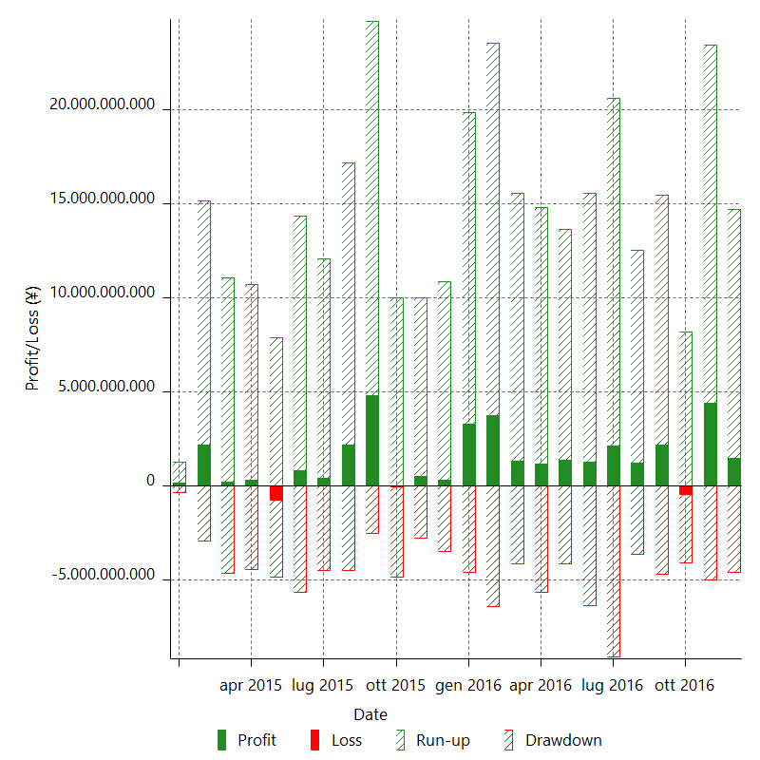

Monthly Returns & Drawdowns (%)

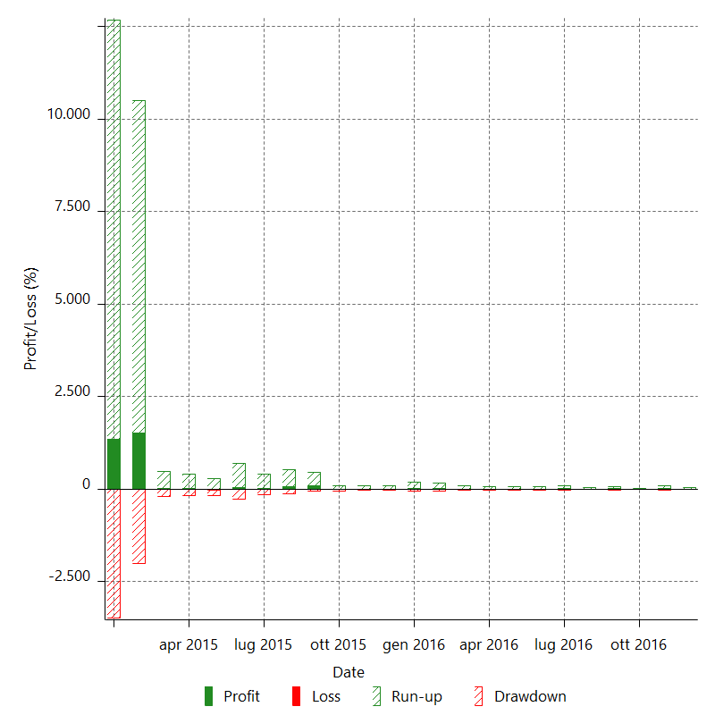

Monthly Accumulative Net Profit

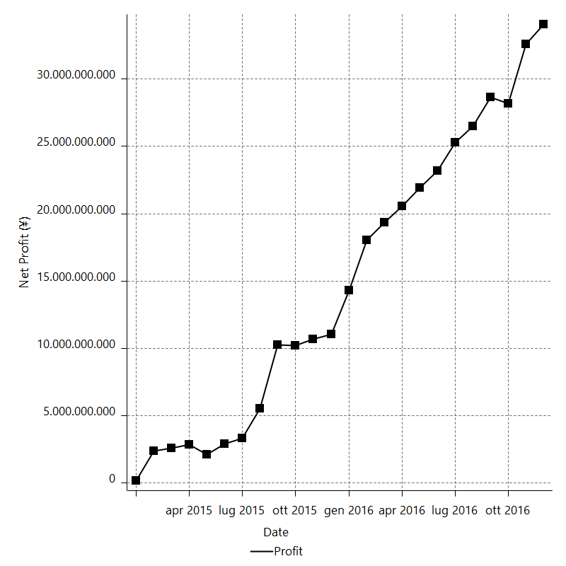

Average Profit By Month

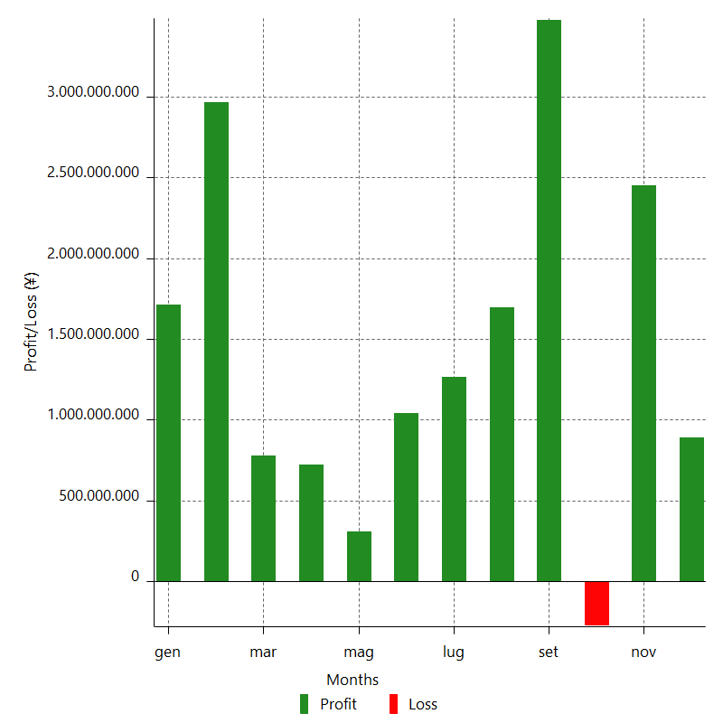

Annual Returns & Drawdowns

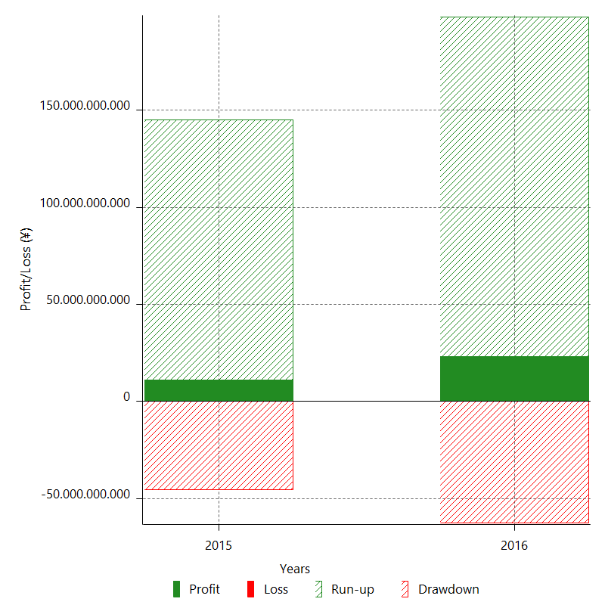

Annual Returns & Drawdowns (%)

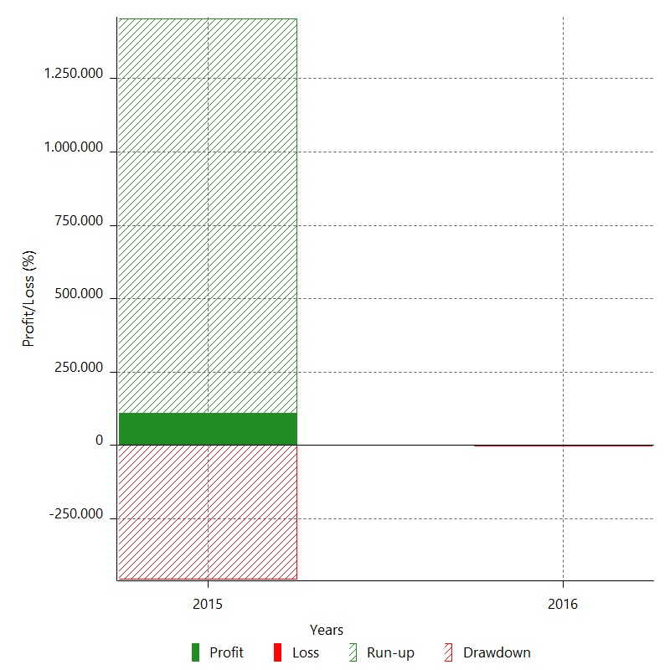

Annual Accumulative Net Profit

